MVK Paper 33116
Take Pictures |  |  |  |  |  |  |  |  | OD(600) | 1.6 |  |  | cells in 1200 uL microcentrifuge
 | Glass Transition Temperatures |  |  |  |  |  |  |  | weight | 363 |  |  | 81.995294118
1 | Cut chromatography paper with as much uniformity as possible.
2 | Mark with lines to be able to distinguish between them later. |  |  |  |  |  |  |  | bottles | 4
3 | Weigh each paper recording each initial weight. |  |  |  |  |  |  |  |  |  |  |  | cell in 120 uL on each coating
4 | Take OD of one bottle |  |  |  |  |  |  |  | volume/bottle | 100 | ml |  | 0.0081995294118 | g
5 | Combine cells in oakridge bottle and centrifuge in beckman for 15 minutes. |  |  |  |  |  |  |  | cell weight | 232.32 | mg | initial | 14.634986226 | g/g
6 | Wash with 20 mL of media and transfer to oakridge tube. |  |  |  |  |  |  |  | volume of pellet | 1.7 | mL
7 | Centrifuge in Rotana 15 minutes. |  |  |  |  |  |  |  | cell concentration | 136.65882353 | mg/mL |  | cells in 120 uL
8 | Mix formulation. |  |  |  |  |  |  |  |  |  |  |  | 0.0049197176471 | g
9 | Make coatings -- 200 uL each. |  |  |  |  |  |  |  | dilution | 0.3
10 | Cap and crimp. |  |  |  |  |  |  |  | coating concentration | 40.997647059 | mg/mL
11 | Flush with argon at 20 psi for 5 minutes, 15 minutes, 25 minutes, 35 minutes, and 45 minutes.
12 | while flushing, with extra formulation and di water, measure weight delivered using balance |  |  |  |  |  |  |  | cell in microcentrifuge | 600 | uL |  | 24.39164371
13 | After flush, weigh each paper noting which strip it was originally.
14 | place strips into anaerobic box with drierite for weekend

 | Flush time | Intial Weight (g) | Final Weight (g) | Flushing Station | average after drying | SD | Paper weight-atmosphere water (just paper) | dry cell weight = final weight - (paperweight-atmwater) | calculated from density; wet cell + media
A | 5 | 0.4761 | 0.5933 | A | 0.59613333333 | 0.002458319209 | 0.4661 | 0.1272 | 0.197
B | 5 | 0.48 | 0.5977 | B |  |  | 0.47 | 0.1277
C | 5 | 0.4802 | 0.5974 | C |  |  | 0.4702 | 0.1272
D | 15 | 0.4764 | 0.5048 | D | 0.51143333333 | 0.0085629044917 | 0.4664 | 0.0384
E | 15 | 0.4759 | 0.5211 | E |  |  | 0.4659 | 0.0552
F | 15 | 0.4811 | 0.5084 | F |  |  | 0.4711 | 0.0373 |  | for negative numbers, causes could be
G | 25 | 0.4705 | 0.4939 | G | 0.48536666667 | 0.0132519181 | 0.4605 | 0.0334 |  | Too low water loss of what is in paper
H | 25 | 0.4729 | 0.4701 | H |  |  | 0.4629 | 0.0072
I | 25 | 0.4749 | 0.4921 | I |  |  | 0.4649 | 0.0272
J | 35 | 0.4772 | 0.4707 | M | 0.47383333333 | 0.0027209067116 | 0.4672 | 0.0035
K | 35 | 0.4822 | 0.4752 | N |  |  | 0.4722 | 0.003
L | 35 | 0.4815 | 0.4756 | O |  |  | 0.4715 | 0.0041
M | 45 | 0.4759 | 0.4685 | J | 0.4698 | 0.0028792360098 | 0.4659 | 0.0026
N | 45 | 0.4755 | 0.4678 | K |  |  | 0.4655 | 0.0023
O | 45 | 0.478 | 0.4731 | L |  |  | 0.468 | 0.0051

 | cell fraction | 0.3
 | Formulations | Cells | media |  | Total volume needed |  |  | 3000
 |  | OTA1 | 2.5% Cysteine -- 0.2 N NaOH
 | volume (uL) | 1500 | 3500 |  | 5000

Experimental notes |  |  |  |  | 200 uL of DI Water Weight |  |  | 0.2 | g
At 10:30 OD600 of 2'A is 1.4 |  |  |  |  | 200 uL of Formulation Weight |  |  | 0.197 | g | Density | 0.985 | g/mL
Pellet volume 1700 uL

A = after drying weight - (paper weight-atmosphere water)= dry cell weight + water residue |  |  |  |  |  |  |  |  | Goal: | gwater/gdrycell
B= cell coating after dry - (sample 1 paper weight - atmosphere water ratio*sample 1 paper weight) = dry cell weight of 120uL cell |  |  |  |  |  |  |  |  | Initial Weight = Paper + Atmosphere Water
C = A-B = water residue |  |  |  |  |  |  |  |  | Final Weight = Paper + Dry Cells + Media - Atmosphere Water
D (g water/g cell) = C/D or C/calculated dry cell weight using OD

 | using drierite
 | initial just paper | final just paper | Weight of atmospheric water (g) |  | atmosphere water average
1 | 0.4721 | 0.4678 | 0.0043 |  | 0.01
2 | 0.4784 | 0.4709 | 0.0075
3 | 0.475 | 0.471 | 0.004

 | in the oven
 | initial just paper | final just paper | Weight of atmospheric water (g)
1 | 0.467
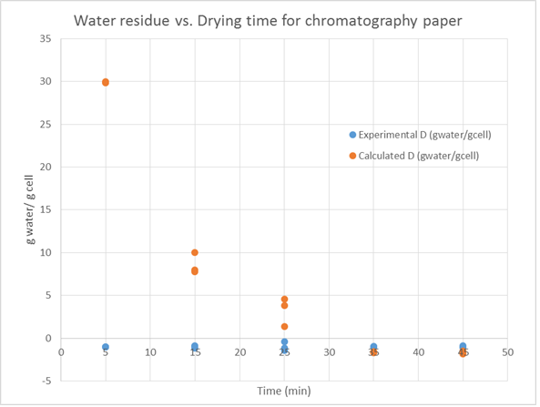
2 | 0.467
3 | 0.4585
4 | 0.4643
5 | 0.4574
6 | 0.467

JW 111915
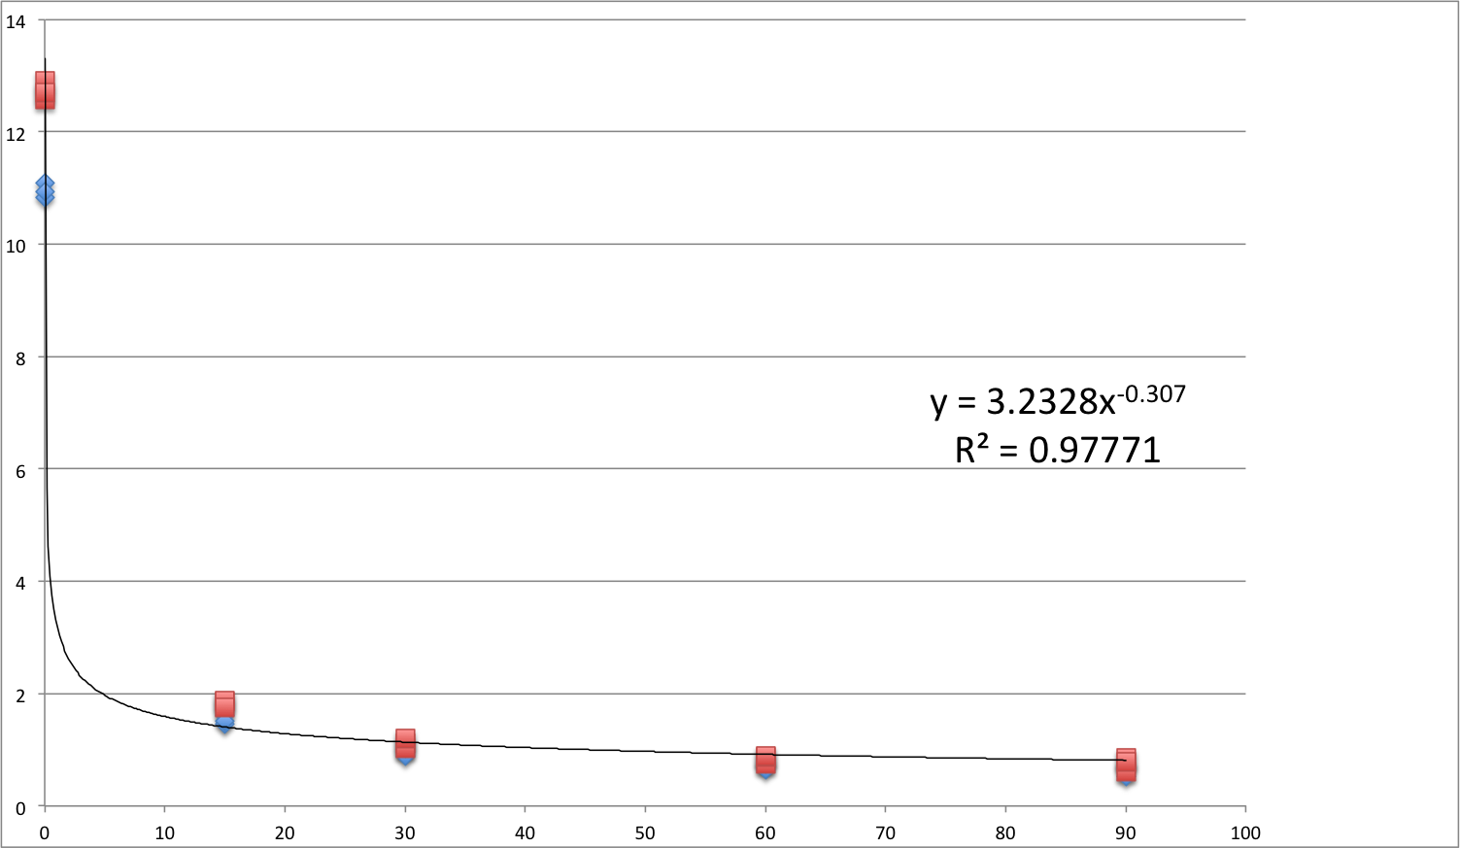
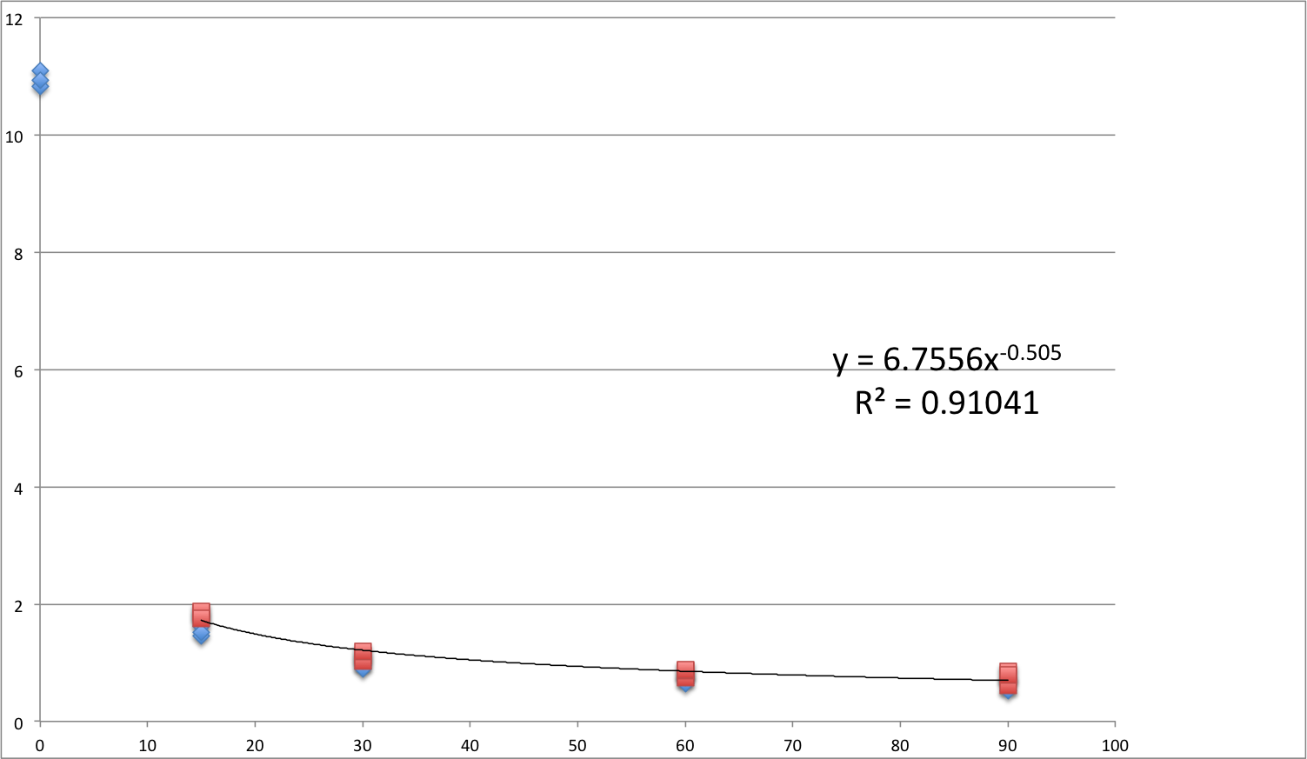
 | Conditions | replicates | coating volume | cell fraction | pellet volume needed (uL) |  |  |  |  |  |  | OD(600) | 1.15 | (1 and 1.3) |  | Cells in 1200ul microcenterfuge
 | 7 | 3 | 120 | 0.5 | 1260 |  |  |  |  |  |  | weight | 363 | mg/L/OD600 |  | 83.49 | mg

 | *for each vacuum dry sample |  |  |  |  |  |  |  |  |  |  | bottles | 4 |  |  | Cell in 120ul on each coating
 | A = after drying weight - (paper weight-atmosphere water)= dry cell weight + water residue
 | *for oven dry cell coating (sample 1) |  |  |  |  |  |  |  |  |  |  | volume/bottle | 100 | ml |  | 0.008349 | g
 | B = cell coating after oven dry - (sample 1 paper weight- atmosphere water ratio*sample 1 paper weigh) = dry cell weight of 120ul cell |  |  |  |  |  |  |  |  |  |  | cell weight | 166.98 | mg | Initial | 14.3729788 | g/g
 | *for oven dry paper(sample 2) to calculate atmosphere water ratio which is initial atmosphere water per g paper |  |  |  |  |  |  |  |  |  |  | volume of pellet | 1.2 | mL
 | atmosphere water ratio = (sample 2 paper weight-sample 2 oven dry)/sample 2 paper weight |  |  |  |  |  |  |  |  |  |  | cell concentration | 139.15 | mg/mL
 | C = A-B = water residue
 | D (g water/g cell) = C / B or C/ calculated dry cell weight using OD
 |  |  |  |  |  |  |  |  |  |  |  | paste dilution | 0.5 |  |  | cells in 120uL
filter paper |  |  | Cell Coating | weight of paper | weight of each paper | after drying weight | after drying each | average after drying | atmosphere water ratio | atmosphere water(g) |  | coating concentration | 69.575 | mg/mL |  | 0.008349 | g
 | oven | oven paper | 1 | 0.2238 | 0.2238 | 0.2157 | 0.2157 | 0.21233333333 | 0.036193029491 | 0.0081 |  | water in microcenterfuge | 600 | ul |  | g/g
 |  |  | 2 | 0.4459 | 0.2221 | 0.426 | 0.2103 |  | 0.053129221072 | 0.0118
 |  |  | 3 | 0.6671 | 0.2212 | 0.637 | 0.211 |  | 0.046112115732 | 0.0102
 |  |  |  |  |  |  |  | average | 0.045144788765 | 0.010033333333 |  | cell in microcenterfuge | 600 | ul |  | 14.3729788
 |  |  |  |  |  |  |  |  | B(g)
 |  | oven coating | 4 | 0.2325 | 0.2325 | 0.2304 | 0.2304 | 0.2284 | 0.0083961633878
 |  |  | 5 | 0.4583 | 0.2258 | 0.4562 | 0.2258 |  | 0.010193693303
 |  |  | 6 | 0.6871 | 0.2288 | 0.6852 | 0.229 |  | 0.010529127669
 |  |  |  |  |  |  |  | average | 0.0097063281201
 |  |  |  |  |  |  |  |  |  |  |  |  |  |  | OD
 |  |  |  |  |  |  |  |  | A(g) after drying | C(g) water residue | Experimental D(gwater/gcell) | Calculate D(g/g) |  |  | 0.8ml | mRcmf
 | 120ul cell solution (0.5) | 0 |  |  |  |  |  |  | 0.1148 | 0.10509367188 | 10.827335588 | 12.587575983
 |  | 0 |  |  |  |  |  |  | 0.1174 | 0.10769367188 | 11.095202073 | 12.898990523
 |  | 0 |  |  |  |  |  |  | 0.1158 | 0.10609367188 | 10.930361159 | 12.707350806
 | vacuum drying time (min) | 15 | 7 | 0.2205 | 0.2205 | 0.2344 | 0.2344 | 0.23496666667 | 0.023854425923 | 0.014148097803 | 1.4576158592 | 1.8571596506 |  |  | 0.2ml | cell
 |  | 15 | 8 | 0.4376 | 0.2171 | 0.4671 | 0.2327 |  | 0.025400933641 | 0.015694605521 | 1.6169457004 | 1.8798186035 |  |  | read number *5
 |  | 15 | 9 | 0.6611 | 0.2235 | 0.7049 | 0.2378 |  | 0.024389860289 | 0.014683532169 | 1.5127792907 | 1.7587174714
 |  | 30 | 10 | 0.2279 | 0.2279 | 0.2366 | 0.2366 | 0.2319 | 0.01898849736 | 0.0092821692394 | 0.95630078898 | 1.1117701808 |  |  | 1. Measure OD
 |  | 30 | 11 | 0.4482 | 0.2203 | 0.4653 | 0.2287 |  | 0.018345396965 | 0.0086390688448 | 0.89004500341 | 1.0347429446 |  |  | 2. Bring in anarobic chamber, transfer in oak ridge bottles
 |  | 30 | 12 | 0.6689 | 0.2207 | 0.6957 | 0.2304 |  | 0.01966345488 | 0.0099571267603 | 1.0258386732 | 1.1926130986 |  |  | 3. Centerfuge 15mins
 |  | 60 | 13 | 0.2239 | 0.2239 | 0.2297 | 0.2297 |  | 0.015907918204 | 0.0062015900843 | 0.63892236154 | 0.74279435673 |  |  | 4. Bring back in, rinse with media
 |  | 60 | 14 | 0.4458 | 0.2219 | 0.4585 | 0.2288 |  | 0.016917628627 | 0.0072113005068 | 0.74294835468 | 0.8637322442 |  |  | 5. Small centerfuge again
 |  | 60 | 15 | 0.6713 | 0.2255 | 0.6909 | 0.2324 |  | 0.017080149866 | 0.0073738217464 | 0.75969219824 | 0.88319819695 |  |  | 6. Bring in, dilute, coat
 |  | 90 | 16 | 0.2232 | 0.2232 | 0.2279 | 0.2279 |  | 0.014776316852 | 0.0050699887322 | 0.52233848572 | 0.6072570047
 |  | 90 | 17 | 0.4423 | 0.2191 | 0.4539 | 0.226 |  | 0.016791223218 | 0.0070848950983 | 0.72992536525 | 0.84859205872
 |  | 90 | 19 | 0.2252 | 0.2252 | 0.6852 | 0.2313 |  | 0.01626660643 | 0.0065602783097 | 0.67587642088 | 0.78575617556
 |  | 120 | 19 | 0.2252 | 0.2252 |  | 0
 |  |  | 20 | 0.4512 | 0.226 |  | 0
 |  |  | 21 | 0.6881 | 0.2369 |  | 0
 |  | 240 | 22 | 0.2273 | 0.2273 |  | 0
 |  |  | 23 | 0.4483 | 0.221 |  | 0
 |  |  | 24 | 0.6739 | 0.2256 |  | 0
Water residue VS. Drying time for filter paper
 |  |  |  |  | average
 |  |  |  |  | 0.224375
 |  |  |  |  | sd
 |  |  |  |  | 0.0043419340511
 | y=a*t^b | t^b = a/y
inculde initial point | y= 3.2328*t^-0.307 |  | 320min | 0.5g/g | 8642min | 0.2g/g
not include | y=6.7556*t^-0.505 |  | 144min | 0.5g/g | 1064min | 0.2g/g

JW 12315
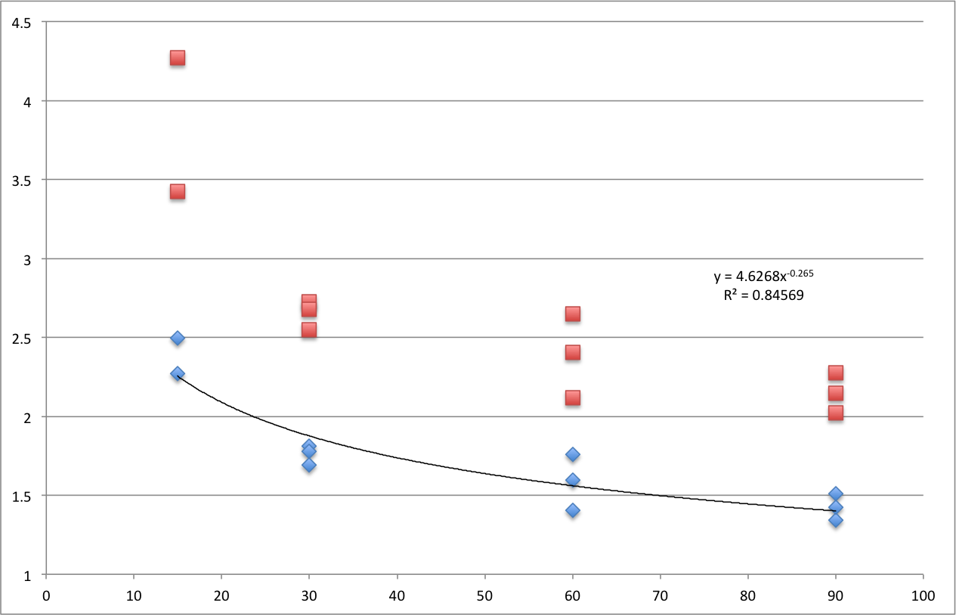
 | Conditions | replicates | coating volume | cell fraction | pellet volume needed (uL) |  |  |  | OD |  |  | OD(600) | 1.13 | (1 and 1.3) |  | Cells in 1200ul microcenterfuge
 | 5 | 3 | 120 | 0.5 | 900 |  |  |  | a | 0.27 | 1.08 | weight | 363 | mg/L/OD600 |  | 66.517297297 | mg
 |  |  |  |  |  |  |  |  | b | 0.28 | 1.12
 | *for each vacuum dry sample |  |  |  |  |  |  |  | c | 0.3 | 1.2 | bottles | 4 |  |  | Cell in 120ul on each coating
 | A = after drying weight - (paper weight-atmosphere water)= dry cell weight + water residue |  |  |  |  |  |  |  | d | 0.28 | 1.12
 | *for oven dry cell coating (sample 1) |  |  |  |  |  |  |  | average |  | 1.13 | volume/bottle | 100 | ml |  | 0.0066517297297 | g
 | B = cell coating after oven dry - (sample 1 paper weight- atmosphere water ratio*sample 1 paper weight) = dry cell weight of 120ul cell |  |  |  |  |  |  |  |  |  |  | cell weight | 164.076 | mg | Initial | 18.040420293 | g/g
 | *for oven dry paper(sample 2) to calculate atmosphere water ratio which is initial atmosphere water per g paper |  |  |  |  |  |  |  |  |  |  | volume of pellet | 1.48 | mL
 | atmosphere water ratio = (sample 2 paper weight-sample 2 oven dry)/sample 2 paper weight |  |  |  |  |  |  |  |  |  |  | cell concentration | 110.86216216 | mg/mL
 | C = A-B = water residue
 | D (g water/g cell) = C / B or C/ calculated dry cell weight using OD
 |  |  |  |  |  |  |  |  |  |  |  | paste dilution | 0.5 |  |  | cells in 120uL
 |  |  | Cell Coating | weight of paper | weight of each paper | after drying weight | after drying each | average after drying | atmosphere water ratio | atmosphere water(g) |  | coating concentration | 55.431081081 | mg/mL |  | 0.0066517297297 | g
3mm paper | oven | oven paper | 1 | 0.4733 | 0.4733 | 0.4594 | 0.4594 | 0.45876666667 | 0.029368265371 | 0.0139 |  | water in microcenterfuge | 600 | ul |  | g/g
 |  |  | 2 | 0.9542 | 0.4809 | 0.4543 | 0.4543 |  | 0.055312954876 | 0.0266
 |  |  | 3 | 1.4391 | 0.4849 |  | 0.4626 |  | 0.045988863683 | 0.0223
 |  |  |  |  |  |  |  | average | 0.043556694643 | 0.020933333333 |  | cell in microcenterfuge | 600 | ul |  | 18.040420293
Water residue VS. Drying time for 3MM paper
 | Experimental D(gwater/gcell) | Calculate D(g/g)
15 | 2.4972182755 | 4.270049569
15
15 | 2.2725592136 | 3.4245788397
30 | 1.6917198717 | 2.5492968635
30 | 1.809281863 | 2.726454099
30 | 1.7771799982 | 2.6780789605
60 | 1.404631229 | 2.1166754889
60 | 1.5971524318 | 2.4067907181
60 | 1.758168283 | 2.6494297101
90 | 1.3412245879 | 2.0211263652
90 | 1.4236429443 | 2.1453247392
90 | 1.5087045266 | 2.2735062594
 |  |  |  |  |  |  |  |  | B(g)
 |  | oven coating | 16 | 0.4805 | 0.4805 |  | 0.4701 | 0.47533333333 | 0.010528991776
 |  |  | 17 | 0.9783 | 0.4978 |  | 0.4872 |  | 0.011082522594
 |  |  | 19 | 1.4595 | 0.4812 |  | 0.4687 |  | 0.0084594814624
 |  |  |  |  |  |  |  | average | 0.010023665277

 |  |  |  |  |  |  |  |  | A(g) after drying | C(g) water residue | Experimental D(gwater/gcell) | Calculate D(g/g)
 | vacuum drying time (min) | 15 | 4 | 0.4788 | 0.4788 | 0.493 | 0.493 | 0.486 | 0.035054945395 | 0.025031280118 | 2.4972182755 | 4.270049569 |  |  | 0.2ml | cell
 |  | 15 | 5 | 0.9551 | 0.4763 | 0.964 | 0.471 |  |  |  |  |  |  |  | read number *5
 |  | 15 | 6 | 1.4373 | 0.4822 | 1.458 | 0.494 |  | 0.032803038157 | 0.02277937288 | 2.2725592136 | 3.4245788397
 |  | 30 | 10 | 0.4771 | 0.4771 | 0.4833 | 0.4833 | 0.48496666667 | 0.026980899014 | 0.016957233737 | 1.6917198717 | 2.5492968635 |  |  | 1. Measure OD
 |  | 30 | 11 | 0.956 | 0.4789 | 0.9695 | 0.4862 |  | 0.028159301065 | 0.018135635787 | 1.809281863 | 2.726454099 |  |  | 2. Bring in anarobic chamber, transfer in oak ridge bottles
 |  | 30 | 12 | 1.4344 | 0.4784 | 1.4549 | 0.4854 |  | 0.027837522717 | 0.01781385744 | 1.7771799982 | 2.6780789605 |  |  | 3. Centerfuge 15mins
 |  | 60 | 13 | 0.4845 | 0.4845 | 0.4875 | 0.4875 |  | 0.024103218555 | 0.014079553277 | 1.404631229 | 2.1166754889 |  |  | 4. Bring back in, rinse with media |  | 1ycm | second drawer
 |  | 60 | 14 | 0.9605 | 0.476 | 0.9688 | 0.4813 |  | 0.02603298665 | 0.016009321373 | 1.5971524318 | 2.4067907181 |  |  | 5. Small centerfuge again
 |  | 60 | 15 | 1.4483 | 0.4878 | 1.463 | 0.4942 |  | 0.027646955647 | 0.01762329037 | 1.758168283 | 2.6494297101 |  |  | 6. Bring in, dilute, coat
 |  | 90 | 7 | 0.4745 | 0.4745 | 0.4773 | 0.4773 |  | 0.023467651608 | 0.013443986331 | 1.3412245879 | 2.0211263652
 |  | 90 | 8 | 0.9496 | 0.4751 | 0.956 | 0.4787 |  | 0.024293785625 | 0.014270120348 | 1.4236429443 | 2.1453247392
 |  | 90 | 9 | 1.4305 | 0.4809 | 1.4411 | 0.4851 |  | 0.025146414454 | 0.015122749177 | 1.5087045266 | 2.2735062594
 |  | 120 | 10 |  | 0 |  | 0
 |  |  | 11 |  | 0 |  | 0
 |  |  | 12 |  | 0 |  | 0
 |  | 240 | 7 |  | 0 |  | 0
 |  |  | 8 |  | 0 |  | 0
 |  |  | 9 |  | 0 |  | 0
 |  |  |  |  | average
 |  |  |  |  | 0.48050555556
 |  |  |  |  | sd
 |  |  |  |  | 0.0057800338104
 | y=a*t^b | t^b = a/y
inculde initial point |  |  |  | 0.5g/g |  | 0.2g/g
not include | y=4.6268*t^-0.265 |  | 4431min | 0.5g/g | 140642min | 0.2g/g

NFW Continuous 111215
mins
 | v/v% CO
38 | 85.979
39 | 86.231
40 | 86.122
41 | 86.62
42 | 86.225
43 | 86.929
44 | 86.781
45 | 86.164
46 | 86.062
47 | 86.619
48 | 86.084
49 | 86.539
50 | 86.323
51 | 86.138
52 | 86.119
53 | 86.027
54 | 86.499
55 | 86.2
56 | 86.17
57 | 86.296
58 | 86.576
59 | 85.765
60 | 85.937
61 | 86.326
62 | 85.945
63 | 85.905
64 | 85.689
65 | 86.065
66 | 86.114
67 | 85.923
68 | 86.239
69 | 85.922
70 | 85.404
71 | 86.104
72 | 85.878
73 | 85.943
74.02 | 86.032
75 | 85.704
76 | 86.145
77 | 85.716
78 | 86.043
79 | 85.707
80 | 85.737
81 | 85.199
82 | 85.4
83 | 85.605
84 | 85.713
85 | 85.302
86 | 85.68
87 | 85.265
...
 |  | mins | v/v% CO | f(x) = | -0.0450284404 | *X + | 89.231531382
2015-11-12 | 12:44:33 | 38 | 85.979 | diameter of polycarbonate tube
2015-11-12 | 12:45:33 | 39 | 86.231 | 1.6 | cm
2015-11-12 | 12:46:33 | 40 | 86.122 | circumference
2015-11-12 | 12:47:33 | 41 | 86.62 | 5.0265482457 | cm |  |  | Initial number of moles of CO |  |  |  |  | Rate mmol CO/m^2*h
2015-11-12 | 12:48:33 | 42 | 86.225 |  |  |  |  | 5 PSI gauge |  |  | n=PV/RT |  | Assuming constant 70 mL volume of reactor
2015-11-12 | 12:49:33 | 43 | 86.929 | reservoir | 20 | mL |  | CO fraction of Syngas | 0.45 | T | 294.15 | K | Initial CO volume in reactor |  | 31.5 | mL
2015-11-12 | 12:50:33 | 44 | 86.781 | reactor | 70 | mL |  | PSI to ATM | 0.068046 | R | 0.08206 | (L*atm)/(mol*K) | Decreasing at 27.3% of 70 mL volume per hour
2015-11-12 | 12:51:33 | 45 | 86.164 | coating area | 40 | cm^2 |  | Room Temp (C) | 21 | P | 1.34023 | atm | -0.02701706424 |  | -1.8911944968 | mL/h
2015-11-12 | 12:52:33 | 46 | 86.062 | reactivity | -2.701706424 | CO%/h |  |  |  | V | 0.0315 | L | Change to mmol/h
2015-11-12 | 12:53:33 | 47 | 86.619 |  |  |  |  |  |  | n= | 0.0017489988482 | mol of CO | Multiply by density; divide by molecular weight
2015-11-12 | 12:54:33 | 48 | 86.084 |  |  |  |  |  |  |  | 1.7489988482 | mmol of CO | density of CO | 1.14 | kg/m^3
2015-11-12 | 12:55:33 | 49 | 86.539 |  |  |  |  |  |  |  |  |  | m^3 to mL | 0.000001
2015-11-12 | 12:56:33 | 50 | 86.323 | Notes |  |  |  |  |  |  |  |  | kg to g | 1000
2015-11-12 | 12:57:33 | 51 | 86.138 | Started at 9am |  |  |  |  |  |  |  |  |  | 0.00114 | g/mL
2015-11-12 | 12:58:33 | 52 | 86.119 | all reactor lines blown out with air to clear any excess water |  |  |  |  |  |  |  |  |  | -0.0021559617264 | g/h
2015-11-12 | 12:59:33 | 53 | 86.027 | reactor zone and reservoir dried with Chemwipe. |  |  |  |  |  |  |  |  | molecular weight CO | 28.01 | g/mol
2015-11-12 | 1:00:33 | 54 | 86.499 |  |  |  |  |  |  |  |  |  |  | -7.697114339E-05 | mol/h
2015-11-12 | 1:01:34 | 55 | 86.2 |  |  |  |  |  |  |  |  |  |  | -0.07697114339 | mmol/h
2015-11-12 | 1:02:34 | 56 | 86.17 |  |  |  |  |  |  |  |  |  | Divide by area | 0.004 | m^2
2015-11-12 | 1:03:34 | 57 | 86.296 |  |  |  |  |  |  |  |  |  |  | -19.242785847 | mmol/m^2*h
2015-11-12 | 1:04:34 | 58 | 86.576 |  |  |  | line | tube |  | ethanol | ACETATE
2015-11-12 | 1:05:34 | 59 | 85.765 |  |  |  | 1 | 1 | H2O | 28.3
2015-11-12 | 1:06:34 | 60 | 85.937 |  |  |  | 2 | 2 | std1 | 1042.1 | 34.1
2015-11-12 | 1:07:34 | 61 | 86.326 |  |  |  | 3 | 3 | std2 | 206 | 442.9
2015-11-12 | 1:08:34 | 62 | 85.945 |  |  |  | 4 | 4 | std3 | 83.4 | 883
2015-11-12 | 1:09:34 | 63 | 85.905 |  |  |  | 5 | 1 | H2O | 37.3
2015-11-12 | 1:10:34 | 64 | 85.689 |  |  |  | 6 | 5 | res | 178.1 | 1361
2015-11-12 | 1:11:34 | 65 | 86.065 |  |  |  | 7 | 6 | rxr | 146.3 | 1351.8
2015-11-12 | 1:12:34 | 66 | 86.114 |  |  |  | 8 | 1 | H2O | 44.1
2015-11-12 | 1:13:34 | 67 | 85.923 |  |  |  | 9 | 2 | std1 | 812.9 | 49.2
2015-11-12 | 1:14:34 | 68 | 86.239 |  |  |  | 10 | 3 | std2 | 247.9 | 446.4
2015-11-12 | 1:15:34 | 69 | 85.922 |  |  |  | 11 | 4 | std3 | aborted | aborted
2015-11-12 | 1:16:34 | 70 | 85.404 |  |  |  | 12 | 1 | H2O | aborted | aborted
2015-11-12 | 1:17:34 | 71 | 86.104
2015-11-12 | 1:18:34 | 72 | 85.878
2015-11-12 | 1:19:34 | 73 | 85.943 |  |  |  | Second Run with fresh m-phosphoric acid
2015-11-12 | 1:20:34 | 74.02 | 86.032 |  |  |  | line | tube |  | ethanol | ACETATE
2015-11-12 | 1:21:33 | 75 | 85.704 |  |  |  | 1 | 1 | H2O | 42.3
2015-11-12 | 1:22:33 | 76 | 86.145 |  |  |  | 2 | 2 | std1 | 833.4 | 43.8
2015-11-12 | 1:23:33 | 77 | 85.716 |  |  |  | 3 | 3 | std2 | 212.2 | 374
2015-11-12 | 1:24:33 | 78 | 86.043 |  |  |  | 4 | 4 | std3 | 78.6 | 657.6
2015-11-12 | 1:25:33 | 79 | 85.707 |  |  |  | 5 | 1 | H2O | 42.9
2015-11-12 | 1:26:33 | 80 | 85.737 |  |  |  | 6 | 5 | res | 142.8 | 1012.8
2015-11-12 | 1:27:33 | 81 | 85.199 |  |  |  | 7 | 6 | rxr | 174.4 | 1127.2
2015-11-12 | 1:28:33 | 82 | 85.4 |  |  |  | 8 | 1 | H2O | 50.9
2015-11-12 | 1:29:33 | 83 | 85.605 |  |  |  | 9 | 2 | std1 | 722.5 | 38
2015-11-12 | 1:30:33 | 84 | 85.713 |  |  |  | 10 | 3 | std2 | 211.4 | 348.9
2015-11-12 | 1:31:33 | 85 | 85.302 |  |  |  | 11 | 4 | std3 | 83.6 | 619.4
2015-11-12 | 1:32:33 | 86 | 85.68 |  |  |  | 12 | 1 | H2O | 47
2015-11-12 | 1:33:33 | 87 | 85.265
2015-11-12 | 1:34:33 | 88 | 85.681
2015-11-12 | 1:35:33 | 89 | 85.474
2015-11-12 | 1:36:33 | 90 | 85.722
2015-11-12 | 1:37:33 | 91 | 85.418
2015-11-12 | 1:38:33 | 92 | 85.49
2015-11-12 | 1:39:33 | 93 | 85.284
2015-11-12 | 1:40:33 | 94 | 85.393
2015-11-12 | 1:41:33 | 95 | 86.136
2015-11-12 | 1:42:33 | 96 | 85.641
2015-11-12 | 1:43:33 | 97 | 85.51
2015-11-12 | 1:44:33 | 98 | 85.657
2015-11-12 | 1:45:33 | 99 | 85.691
2015-11-12 | 1:46:33 | 100 | 85.381
2015-11-12 | 1:47:33 | 101 | 85.533
2015-11-12 | 1:48:33 | 102 | 85.697
2015-11-12 | 1:49:33 | 103 | 85.105
2015-11-12 | 1:50:33 | 104 | 84.991
2015-11-12 | 1:51:33 | 105 | 84.672
2015-11-12 | 1:52:33 | 106 | 85.013
2015-11-12 | 1:53:33 | 107 | 84.875
2015-11-12 | 1:54:33 | 108 | 84.584
2015-11-12 | 1:55:33 | 109 | 85.054
2015-11-12 | 1:56:33 | 110 | 84.605
2015-11-12 | 1:57:33 | 111 | 84.573
2015-11-12 | 1:58:33 | 112 | 84.161
2015-11-12 | 1:59:33 | 113 | 84.272
2015-11-12 | 2:00:33 | 114 | 84.664
2015-11-12 | 2:01:33 | 115 | 84.46
2015-11-12 | 2:02:33 | 116 | 84.578
2015-11-12 | 2:03:33 | 117 | 84.749
2015-11-12 | 2:04:33 | 118 | 84.834
2015-11-12 | 2:05:33 | 119 | 84.669
2015-11-12 | 2:06:33 | 120 | 84.677
2015-11-12 | 2:07:33 | 121 | 84.587
2015-11-12 | 2:08:33 | 122 | 84.771
2015-11-12 | 2:09:33 | 123 | 84.245
2015-11-12 | 2:10:33 | 124 | 84.388
2015-11-12 | 2:11:33 | 125 | 84.146
2015-11-12 | 2:12:33 | 126 | 84.245
2015-11-12 | 2:13:33 | 127 | 84.067
2015-11-12 | 2:14:34 | 128 | 83.951
2015-11-12 | 2:15:34 | 129 | 83.78
2015-11-12 | 2:16:34 | 130 | 83.958
2015-11-12 | 2:17:34 | 131 | 83.529
2015-11-12 | 2:18:34 | 132 | 83.645
2015-11-12 | 2:19:34 | 133 | 83.678
2015-11-12 | 2:20:34 | 134 | 83.66
2015-11-12 | 2:21:34 | 135 | 83.708
2015-11-12 | 2:22:34 | 136 | 83.646
2015-11-12 | 2:23:34 | 137 | 83.138
2015-11-12 | 2:24:34 | 138 | 83.769
2015-11-12 | 2:25:34 | 139 | 83.722
2015-11-12 | 2:26:34 | 140 | 83.312
2015-11-12 | 2:27:34 | 141 | 83.648
2015-11-12 | 2:28:34 | 142 | 83.414
2015-11-12 | 2:29:34 | 143 | 83.609
2015-11-12 | 2:30:34 | 144 | 83.406
2015-11-12 | 2:31:34 | 145 | 83.22
2015-11-12 | 2:32:34 | 146 | 83.204
2015-11-12 | 2:33:34 | 147 | 83.273
2015-11-12 | 2:34:34 | 148.02 | 83.526
2015-11-12 | 2:35:33 | 149 | 82.914
2015-11-12 | 2:36:33 | 150 | 83.357
2015-11-12 | 2:37:33 | 151 | 82.657
2015-11-12 | 2:38:33 | 152 | 82.428
2015-11-12 | 2:39:33 | 153 | 82.259
2015-11-12 | 2:40:33 | 154 | 81.744
2015-11-12 | 2:41:33 | 155 | 81.851
2015-11-12 | 2:42:33 | 156 | 81.893
2015-11-12 | 2:43:33 | 157 | 82.022
2015-11-12 | 2:44:33 | 158 | 81.486
2015-11-12 | 2:45:33 | 159 | 81.665
2015-11-12 | 2:46:33 | 160 | 81.366
2015-11-12 | 2:47:33 | 161 | 81.315
2015-11-12 | 2:48:33 | 162 | 81.563
2015-11-12 | 2:49:33 | 163 | 81.807
2015-11-12 | 2:50:33 | 164 | 81.674
2015-11-12 | 2:51:33 | 165 | 81.46
2015-11-12 | 2:52:33 | 166 | 81.787
2015-11-12 | 2:53:33 | 167 | 81.516
2015-11-12 | 2:54:33 | 168 | 81.304
2015-11-12 | 2:55:33 | 169 | 81.247
2015-11-12 | 2:56:33 | 170 | 81.137
2015-11-12 | 2:57:33 | 171 | 81.366
2015-11-12 | 2:58:33 | 172 | 81.574
2015-11-12 | 2:59:33 | 173 | 81.733
2015-11-12 | 3:00:33 | 174 | 81.193
2015-11-12 | 3:01:33 | 175 | 81.182
2015-11-12 | 3:02:33 | 176 | 81.332
2015-11-12 | 3:03:33 | 177 | 80.912
2015-11-12 | 3:04:33 | 178 | 81.122
2015-11-12 | 3:05:33 | 179 | 81.347
2015-11-12 | 3:06:33 | 180 | 81.019
2015-11-12 | 3:07:33 | 181 | 81.107
2015-11-12 | 3:08:33 | 182 | 81.271
2015-11-12 | 3:09:33 | 183 | 81.161
2015-11-12 | 3:10:33 | 184 | 80.848
2015-11-12 | 3:11:33 | 185 | 80.558
2015-11-12 | 3:12:33 | 186 | 80.813
2015-11-12 | 3:13:33 | 187 | 81.044
2015-11-12 | 3:14:33 | 188 | 80.433
2015-11-12 | 3:15:33 | 189 | 80.714
2015-11-12 | 3:16:33 | 190 | 80.73
2015-11-12 | 3:17:33 | 191 | 80.798
2015-11-12 | 3:18:33 | 192 | 80.417
2015-11-12 | 3:19:33 | 193 | 80.658
2015-11-12 | 3:20:33 | 194 | 80.62
2015-11-12 | 3:21:33 | 195 | 80.671
2015-11-12 | 3:22:33 | 196 | 80.389
2015-11-12 | 3:23:33 | 197 | 80.898
2015-11-12 | 3:24:33 | 198 | 80.615
2015-11-12 | 3:25:33 | 199 | 80.367
2015-11-12 | 3:26:33 | 200 | 80.1
2015-11-12 | 3:27:33 | 201 | 80.352
2015-11-12 | 3:28:34 | 202 | 80.757
2015-11-12 | 3:29:34 | 203 | 80.27
2015-11-12 | 3:30:34 | 204 | 80.58
2015-11-12 | 3:31:34 | 205 | 80.207
2015-11-12 | 3:32:34 | 206 | 79.845
2015-11-12 | 3:33:34 | 207 | 80.276
2015-11-12 | 3:34:34 | 208 | 79.885
2015-11-12 | 3:35:34 | 209 | 80.031
2015-11-12 | 3:36:34 | 210 | 79.591
2015-11-12 | 3:37:34 | 211 | 79.412
2015-11-12 | 3:38:34 | 212 | 79.712
2015-11-12 | 3:39:34 | 213 | 79.391
2015-11-12 | 3:40:34 | 214 | 79.206
2015-11-12 | 3:41:34 | 215 | 79.518
2015-11-12 | 3:42:34 | 216 | 79.374
2015-11-12 | 3:43:34 | 217 | 79.471
2015-11-12 | 3:44:34 | 218 | 78.8
2015-11-12 | 3:45:34 | 219 | 78.899
2015-11-12 | 3:46:34 | 220 | 78.808
2015-11-12 | 3:47:34 | 221 | 78.756
2015-11-12 | 3:48:34 | 222.02 | 78.743
2015-11-12 | 3:49:33 | 223 | 78.927
2015-11-12 | 3:50:33 | 224 | 78.834
2015-11-12 | 3:51:33 | 225 | 78.536
2015-11-12 | 3:52:33 | 226 | 78.652
2015-11-12 | 3:53:33 | 227 | 78.677
2015-11-12 | 3:54:33 | 228 | 78.283
2015-11-12 | 3:55:33 | 229 | 78.489
2015-11-12 | 3:56:33 | 230 | 78.465
2015-11-12 | 3:57:33 | 231 | 78.697
2015-11-12 | 3:58:33 | 232 | 78.62
2015-11-12 | 3:59:33 | 233 | 78.166
2015-11-12 | 4:00:33 | 234 | 78.19
2015-11-12 | 4:01:33 | 235 | 78.156
2015-11-12 | 4:02:33 | 236 | 78.022
2015-11-12 | 4:03:33 | 237 | 78.132
2015-11-12 | 4:04:33 | 238 | 78.337
2015-11-12 | 4:05:33 | 239 | 77.968
2015-11-12 | 4:06:33 | 240 | 78.085
2015-11-12 | 4:07:33 | 241 | 78.161
2015-11-12 | 4:08:33 | 242 | 78.122
2015-11-12 | 4:09:33 | 243 | 78.164
2015-11-12 | 4:10:33 | 244 | 78.132
2015-11-12 | 4:11:33 | 245 | 77.889
2015-11-12 | 4:12:33 | 246 | 77.904
2015-11-12 | 4:13:33 | 247 | 77.979
2015-11-12 | 4:14:33 | 248 | 77.675
2015-11-12 | 4:15:33 | 249 | 78.024
2015-11-12 | 4:16:33 | 250 | 77.96
2015-11-12 | 4:17:33 | 251 | 77.379
2015-11-12 | 4:18:33 | 252 | 77.727
2015-11-12 | 4:19:33 | 253 | 77.561
2015-11-12 | 4:20:33 | 254 | 77.875
2015-11-12 | 4:21:33 | 255 | 77.903
2015-11-12 | 4:22:33 | 256 | 77.987
2015-11-12 | 4:23:33 | 257 | 77.62
2015-11-12 | 4:24:33 | 258 | 77.543
2015-11-12 | 4:25:33 | 259 | 77.16
2015-11-12 | 4:26:33 | 260 | 77.451
2015-11-12 | 4:27:33 | 261 | 77.213
2015-11-12 | 4:28:33 | 262 | 77.652
2015-11-12 | 4:29:33 | 263 | 77.43
2015-11-12 | 4:30:33 | 264 | 77.56
2015-11-12 | 4:31:33 | 265 | 77.101
2015-11-12 | 4:32:33 | 266 | 77.481
2015-11-12 | 4:33:33 | 267 | 77.356
2015-11-12 | 4:34:33 | 268 | 77.4
2015-11-12 | 4:35:33 | 269 | 77.602
2015-11-12 | 4:36:33 | 270 | 77.205
2015-11-12 | 4:37:33 | 271 | 77.003
2015-11-12 | 4:38:33 | 272 | 77.18
2015-11-12 | 4:39:33 | 273 | 76.623

MRR Parity 111615
points from Yu 2014 Figure 4b
Re# | delta_max/delta_avg
56 | 1.32
71 | 1.45
87 | 1.68
114 | 1.87

JW 11515
9 coatings for vacuum |  |  |  |  | Assum. OD(600) | 1.8 |  |  | Cells in 1200ul microcenterfuge
3 coatings for oven |  |  |  |  | weight | 363 | mg/L/OD600 |  | 43.56 | mg
3 non-coatings for oven |  |  |  |  | bottles | 2 |  |  | Cell in 120ul on each coating
 |  |  |  |  | volume/bottle | 100 | ml |  | 0.004356 | g
total volume of the pellet |  | 1800 | ul |  | cell weight | 130.68 | mg | Initial | 27.548209366 | g/g
 |  |  |  |  | volume of pellet | 1.8 | mL
 |  |  |  |  | cell concentration | 72.6 | mg/mL
50% cells, 120uL |  |  |  |  | paste dilution | 0.5 |  |  | cells in 120uL
#2 on the oven gives us 80C |  |  |  |  | coating concentration | 36.3 | mg/mL |  | 0.004356 | g
coatings |  | volume | total |  | water in microcenterfuge | 600 | ul |  | g/g
9 |  | 120 | 1080 |  | cell in microcenterfuge | 600 | ul |  | 27.548209366

 | Initial | vacuum 15min |  |  | vacuum 30min |  |  | vacuum 60min |  |  | oven 60min
 |  | rep1 | rep2 | rep3 | rep1 | rep2 | rep3 | rep1 | rep2 | rep3 | rep1 | rep2 | rep3
Cell Coating |  | c1 | c2 | c3 | c4 | c5 | c6 | c7 | c8 | c9 | o1c | o2c | o3c
weight of paper |  | 0.222 | 0.4402 | 0.6595 | 0.2282 | 0.4504 | 0.6789 | 0.2215 | 0.4477 | 0.6642 | 0.2278 | 0.4573 | 0.6794
after coating |  | 0.3417 | 0.6788 | 1.0161 | 0.3453 | 0.6879 | 1.0357 | 0.3407 | 0.6813 | 1.015 | 0.3464 | 0.6922 | 1.0331
After drying |  | 0.2387 | 0.4746 | 0.7121 | 0.2349 | 0.467 | 0.7058 | 0.228 | 0.4618 | 0.6866 | 0.2212 | 0.4494 | 0.6711
 |  |  |  |  |  |  |  |  |  |  | rep1 | rep2 | rep3
Water |  |  |  |  |  |  |  |  |  |  | w1 | w2 | w3
weight of paper |  |  |  |  |  |  |  |  |  |  | 0.2212 | 0.4449 | 0.6689
after coating |  |  |  |  |  |  |  |  |  |  | 0.337 | 0.675 | 1.0165
After drying |  |  |  |  |  |  |  |  |  |  | 0.2094 | 0.4237 | 0.6394

Cell Coating |  | c1 | c2 | c3 | c4 | c5 | c6 | c7 | c8 | c9 | 7 | 8 | 9
weight of paper |  | 0.222 | 0.2182 | 0.2193 | 0.2282 | 0.2222 | 0.2285 | 0.2215 | 0.2262 | 0.2165 | 0.2278 | 0.2295 | 0.2221
after coating each |  | 0.3417 | 0.3371 | 0.3373 | 0.3453 | 0.3426 | 0.3478 | 0.3407 | 0.3406 | 0.3337 | 0.3464 | 0.3458 | 0.3409
after drying each |  | 0.2387 | 0.2359 | 0.2375 | 0.2349 | 0.2321 | 0.2388 | 0.228 | 0.2338 | 0.2248 | 0.2212 | 0.2282 | 0.2217
average after drying |  | 0.23736666667 |  |  | 0.23526666667 |  |  | 0.22886666667 |  |  | 0.2237
Water |  |  |  |  |  |  |  |  |  |  | w1 | w2 | w3
weight of paper |  |  |  |  |  |  |  |  |  |  | 0.2212 | 0.2237 | 0.224
after coating each |  |  |  |  |  |  |  |  |  |  | 0.337 | 0.338 | 0.3415
after drying each |  |  |  |  |  |  |  |  |  |  | 0.2094 | 0.2143 | 0.2157
average after drying |  |  |  |  |  |  |  |  |  |  | 0.21313333333
residual water |  | 0.013666666667 |  |  | 0.011566666667 |  |  | 0.0051666666667 |  |  | 0
gwater/gcell | 27.548209366 | 3.1374349556 |  |  | 2.6553412917 |  |  | 1.1861034588 |  |  | 0

Chart title
 | 0
 | 0
 | 0
 | 0
 | 0
 | 0
 | 27.548209366
 | 3.1374349556
 | 2.6553412917
 | 1.1861034588
 | 0

drying calib JW 11315
50% cells, 120uL |  |  |  |  | Assum. OD(600) | 2 |  |  | Cells in 1200ul microcenterfuge
#2 on the oven gives us 80C |  |  |  |  | weight | 363 | mg/L/OD600 |  | 43.56 | mg
coatings |  | volume | total |  | bottles | 3 |  |  | Cell in 120ul on each coating
9 |  | 120 | 1080 |  | volume/bottle | 100 | ml |  | 0.004356 | g
 |  |  |  |  | cell weight | 217.8 | mg
 |  |  |  |  | volume of pellet | 3 | mL
 |  |  |  |  | cell concentration | 72.6 | mg/mL
 |  |  |  |  | paste dilution | 0.5 |  |  | cells in 120uL
 |  |  |  |  | coating concentration | 36.3 | mg/mL |  | 0.004356 | g
 |  |  |  |  | water in microcenterfuge | 600 | ul |  | g/g
 |  |  |  |  | cell in microcenterfuge | 600 | ul |  | 27.548209366

 | Initial | vacuum 15min |  |  | vacuum 30min |  |  | oven 30min |  |  | oven 60min
 |  | rep1 | rep2 | rep3 | rep1 | rep2 | rep3 | rep1 | rep2 | rep3 | rep1 | rep2 | rep3
Cell Coating |  | 1 | 2 | 3 | 4 | 5 | 6 | 7 | 8 | 9 | 7 | 8 | 9
weight of paper | 0.21546666667 | 0.2251 | 0.2081 | 0.2132 | 0.2155 | 0.2158 | 0.2159 | 0.22 | 0.2206 | 0.2218 | 0.22 | 0.2206 | 0.2218
after coating |  | 0.3437 | 0.6745 | 1.0091 | 0.3345 | 0.6789 | 0.9976 | 0.3304 | 0.6737 | 1.0086 | 0.3304 | 0.6737 | 1.0086
After drying |  | 0.2459 | 0.479 | 0.722 | 0.2328 | 0.4591 | 0.6855 | 0.2121 | 0.4377 | 0.6559 | 0.2087 | 0.4332 | 0.6502
residual water for cell coating during drying
 | gwater/gcell
 | 27.548209366 | 0
 | 5.4943373125 | 0
 | 2.701254974 | 0
 | 0.43617998163 | 0
 | 0 | 0
Water |  | w1 | w2 | w3 | w4 | w5 | w6 | w7 | w8 | w9 | w7 | w8 | w9
weight of paper |  | 0.2182 | 0.2154 | 0.2205 | 0.2168 | 0.2159 | 0.2141 | 0.2109 | 0.2243 | 0.2174 | 0.2109 | 0.2243 | 0.2174
after coating |  | 0.3316 | 0.6605 | 0.9957 | 0.3347 | 0.6658 | 1.0013 | 0.3414 | 0.6793 | 1.0201 | 0.3414 | 0.6793 | 1.0201
After drying |  | 0.2248 | 0.4514 | 0.6793 | 0.2214 | 0.44 | 0.6622 | 0.2125 | 0.4263 | 0.6438 | 0.2132 | 0.4248 | 0.6432

Cell Coating |  | 1 | 2 | 3 | 4 | 5 | 6 | 7 | 8 | 9 | 7 | 8 | 9
weight of paper |  | 0.2251 | 0.2081 | 0.2132 | 0.2155 | 0.2158 | 0.2159 | 0.22 | 0.2206 | 0.2218 | 0.22 | 0.2206 | 0.2218 | 0.2208
after coating each |  | 0.3437 | 0.3308 | 0.3346 | 0.3345 | 0.3444 | 0.3187 | 0.3304 | 0.3433 | 0.3349 | 0.3304 | 0.3433 | 0.3349
after drying each |  | 0.2459 | 0.2331 | 0.243 | 0.2328 | 0.2263 | 0.2264 | 0.2121 | 0.2256 | 0.2182 | 0.2087 | 0.2245 | 0.217
average after drying |  | 0.24066666667 |  |  | 0.2285 |  |  | 0.21863333333 |  |  | 0.21673333333
water loss |  | 0.0978 | 0.0977 | 0.0916 | 0.1017 | 0.1181 | 0.0923 | 0.1183 | 0.1177 | 0.1167 | 0.1217 | 0.1188 | 0.1179
average water loss |  | 0.0957 |  |  | 0.10403333333 |  |  | 0.11756666667 |  |  | 0.11946666667
water loss speed |  | 0.00055555555556
residual water | 0.11658099839 | 0.023933333333 |  |  | 0.011766666667 |  |  | 0.0019 |  |  | 0
gwater/gcell | 27.548209366 | 5.4943373125 |  |  | 2.701254974 |  |  | 0.43617998163 |  |  | 0
Water |  | w1 | w2 | w3 | w4 | w5 | w6 | w7 | w8 | w9 | w7 | w8 | w9
weight of paper |  | 0.2182 | 0.2154 | 0.2205 | 0.2168 | 0.2159 | 0.2141 | 0.2109 | 0.2243 | 0.2174 | 0.2109 | 0.2243 | 0.2174
after coating each |  | 0.3316 | 0.3289 | 0.3352 | 0.3347 | 0.3311 | 0.3355 | 0.3414 | 0.3379 | 0.3408 | 0.3414 | 0.3379 | 0.3408
after drying each |  | 0.2248 | 0.2266 | 0.2279 | 0.2214 | 0.2186 | 0.2222 | 0.2125 | 0.2138 | 0.2175 | 0.2132 | 0.2116 | 0.2184
water loss |  | 0.1068 | 0.1023 | 0.1073 | 0.1133 | 0.1125 | 0.1133 | 0.1289 | 0.1241 | 0.1233 | 0.1282 | 0.1263 | 0.1224
average water loss |  | 0.10546666667 |  |  | 0.11303333333 |  |  | 0.12543333333 |  |  | 0.12563333333
Cell coating and Water
 |  | Cell coating | Water
15min vacuum |  | 0.0957 | 0.10546666667
30min vacuum |  | 0.10403333333 | 0.11303333333
30min oven |  | 0.11756666667 | 0.12543333333
60min oven |  | 0.11946666667 | 0.12563333333
water loss speed |  | 0.00050444444444

 |  | Cell coating | Water
15min vacuum |  | 0.0957 | 0.10546666667
30min vacuum |  | 0.10403333333 | 0.11303333333
30min oven |  | 0.11756666667 | 0.12543333333
60min oven |  | 0.11946666667 | 0.12563333333

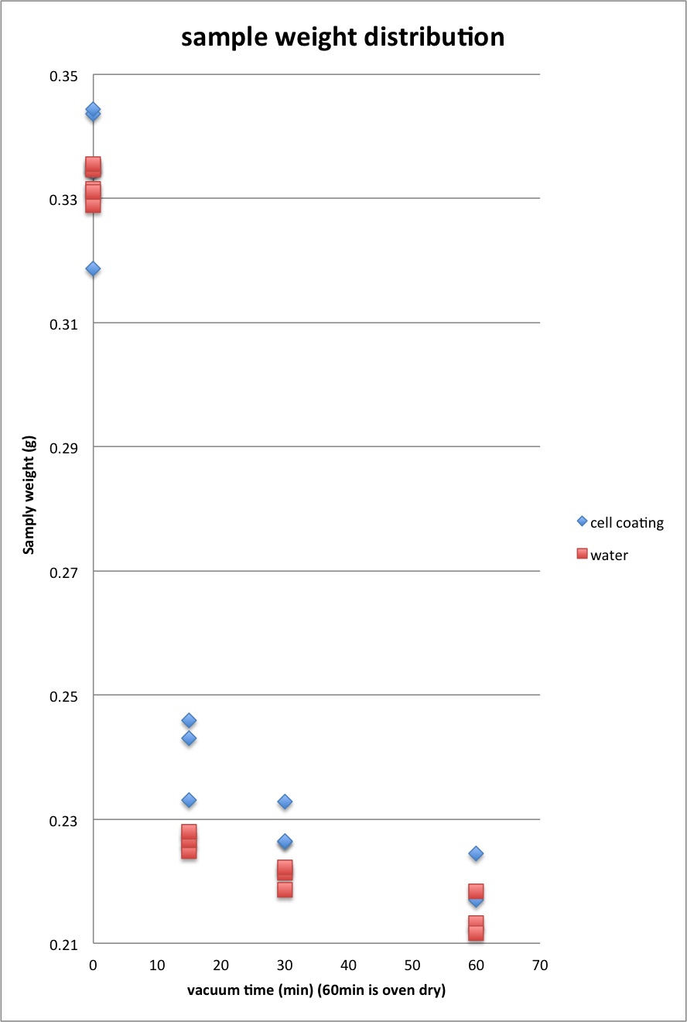
time |  | cell coating | water
0 |  | 0.3437 | 0.3316
0 |  | 0.3308 | 0.3289
0 |  | 0.3346 | 0.3352
0 |  | 0.3345 | 0.3347
0 |  | 0.3444 | 0.3311
0 |  | 0.3187 | 0.3355
15 |  | 0.2459 | 0.2248
15 |  | 0.2331 | 0.2266
15 |  | 0.243 | 0.2279
30 |  | 0.2328 | 0.2214
30 |  | 0.2263 | 0.2186
30 |  | 0.2264 | 0.2222
60 |  | 0.2087 | 0.2132
60 |  | 0.2245 | 0.2116
60 |  | 0.217 | 0.2184

REK Drying 103015
Tube | Notch placement (temp column.) | substrate | Volume to add in mL | total liquid volume | Reducing Agent Added | RH Storage | Formulation | Drying Time | substrate size (cm^2) | coating volume (uL) | coated surface area (cm^2) | shaker speed |  | H2 | O2 | N2 | CO | CO2 | Scaled CO | N2 Base | Sampling 2 | H2 | O2 | N2 | CO | CO2 | Scaled CO | N2 Base
 |  |  |  |  |  |  |  |  |  |  |  |  |  |  |  |  |  |  |  |  | 2015-11-04 |  |  |  |  |  |  | 340
A | No notch | 602h | 4 | 4.12 | 0.5ml CYS (rinse) | 0 | 1 | 60 min @ 25inHg | 10 | 120 | 10 | 50 | A | 13273 | 0 | 377 | 1088 | 112 | 981.22015915 |  |  | 14299.9 | 0 | 407.2 | 620.1 | 283.3 | 517.76522593
B | No notch | 602h | 4 | 4.12 | 0.5ml CYS (rinse) | 0 | 1 | 60 min @ 25inHg | 10 | 120 | 10 | 50 | B | 13971 | 0 | 379 | 830 | 192 | 744.59102902 |  |  | 14928.8 | 0 | 481 | 311.9 | 372.8 | 220.46985447
C | No notch | 602h | 4 | 4.12 | 0.5ml CYS (rinse) | 11 | 1 | 60 min @ 25inHg | 10 | 120 | 10 | 50 | C | 12951 | 0 | 393 | 1018 | 117 | 880.71246819 |  |  | 13621.3 | 0 | 396.5 | 715.3 | 229.2 | 613.37200504
D | No notch | 602h | 4 | 4.12 | 0.5ml CYS (rinse) | 29 | 1 | 60 min @ 25inHg | 10 | 120 | 10 | 50 | D | 13457 | 0 | 369 | 866 | 175 | 797.9403794 |  |  | 14639.9 | 0 | 476 | 151.2 | 430.4 | 108
E | No notch | 602h | 4 | 4.12 | 0.5ml CYS (rinse) | 29 | 1 | 60 min @ 25inHg | 10 | 120 | 10 | 50 | E | 13553 | 0 | 374 | 834 | 180 | 758.18181818 |  |  | 13770.5 | 0 | 530.8 | 377.4 | 323.9 | 241.74076865
F | LN | 602h | 4 | 4.12 | 1mL CYS | 0 | 2 | 60 min @ 25inHg | 10 | 120 | 10 | 50 | F | 13254 | 0 | 358 | 857 | 161 | 813.91061453 |  |  | 13676.3 | 0 | 403.5 | 587.1 | 253.6 | 494.7063197
G | LN | 602h | 4 | 4.12 | 1mL CYS | 11 | 2 | 60 min @ 25inHg | 10 | 120 | 10 | 50 | G | 13062 | 0 | 363 | 869 | 162 | 813.93939394 |  |  | 13685.3 | 0 | 415.8 | 547.2 | 279.4 | 447.44588745
H | LN | 602h | 4 | 4.12 | 1mL CYS | 29 | 2 | 60 min @ 25inHg | 10 | 120 | 10 | 50 | H | 12771 | 0 | 462 | 772 | 176 | 568.13852814 |  |  | 13288 | 0 | 511.4 | 472.4 | 247.8 | 314.07117716
I | RN | 602h | 4 | 4.12 | 1mL CYS Na2S | 0 | 3 | 60 min @ 25inHg | 10 | 120 | 10 | 50 | I | 12469 | 0 | 359 | 1019 | 104 | 965.06963788 |  |  | 12823.7 | 0 | 380.5 | 872.9 | 166.3 | 779.98948752
J | RN | 602h | 4 | 4.12 | 1mL CYS Na2S | 11 | 3 | 60 min @ 25inHg | 10 | 120 | 10 | 50 | J | 12927 | 0 | 359 | 863 | 161 | 817.32590529 |  |  | 12022.7 | 0 | 582.1 | 545.6 | 238.7 | 318.68063907
K | RN | 602h | 4 | 4.12 | 1mL CYS Na2S | 29 | 3 | 60 min @ 25inHg | 10 | 120 | 10 | 50 | K | 12285 | 0 | 329 | 1040 | 68 | 1074.7720365 |  |  | 12512.2 | 0 | 348 | 899.4 | 131.7 | 878.72413793
L | MN | 602h | 4 | 4.12 | 2mL CYS Na2S | 0 | 4 | 60 min @ 25inHg | 10 | 120 | 10 | 50 | L | 12011 | 0 | 337 | 1167 | 46 | 1177.388724 |  |  | 1202.1 | 0 | 342.3 | 1143.5 | 58 | 1135.8165352
M | MN | 602h | 4 | 4.12 | 2mL CYS Na2S | 11 | 4 | 60 min @ 25inHg | 10 | 120 | 10 | 50 | M | 11816 | 0 | 330 | 1139 | 30 | 1173.5151515 |  |  | 11471.1 | 0 | 386.8 | 1081.4 | 42.4 | 950.55842813
N | MN | 602h | 4 | 4.12 | 2mL CYS Na2S | 29 | 4 | 60 min @ 25inHg | 10 | 120 | 10 | 50 | N | 12089 | 0 | 327 | 1214 | 38 | 1262.2629969 |  |  | 121708 | 0 | 329.5 | 1189.3 | 47.9 | 1227.198786
O | MN | 602h | 4 | 4.12 | 2mL CYS Na2S | 29 | 4 | 60 min @ 25inHg | 10 | 120 | 10 | 50 | O | 11836 | 0 | 353 | 1135 | 49 | 1093.2011331 |  |  | 12240.8 | 0 | 337.3 | 1088.3 | 71.2 | 1097.0115624
 |  |  |  |  |  |  |  |  |  |  |  |  | On 11/03/2015 at 2:25 PM |  |  |  |  |  |  | 340
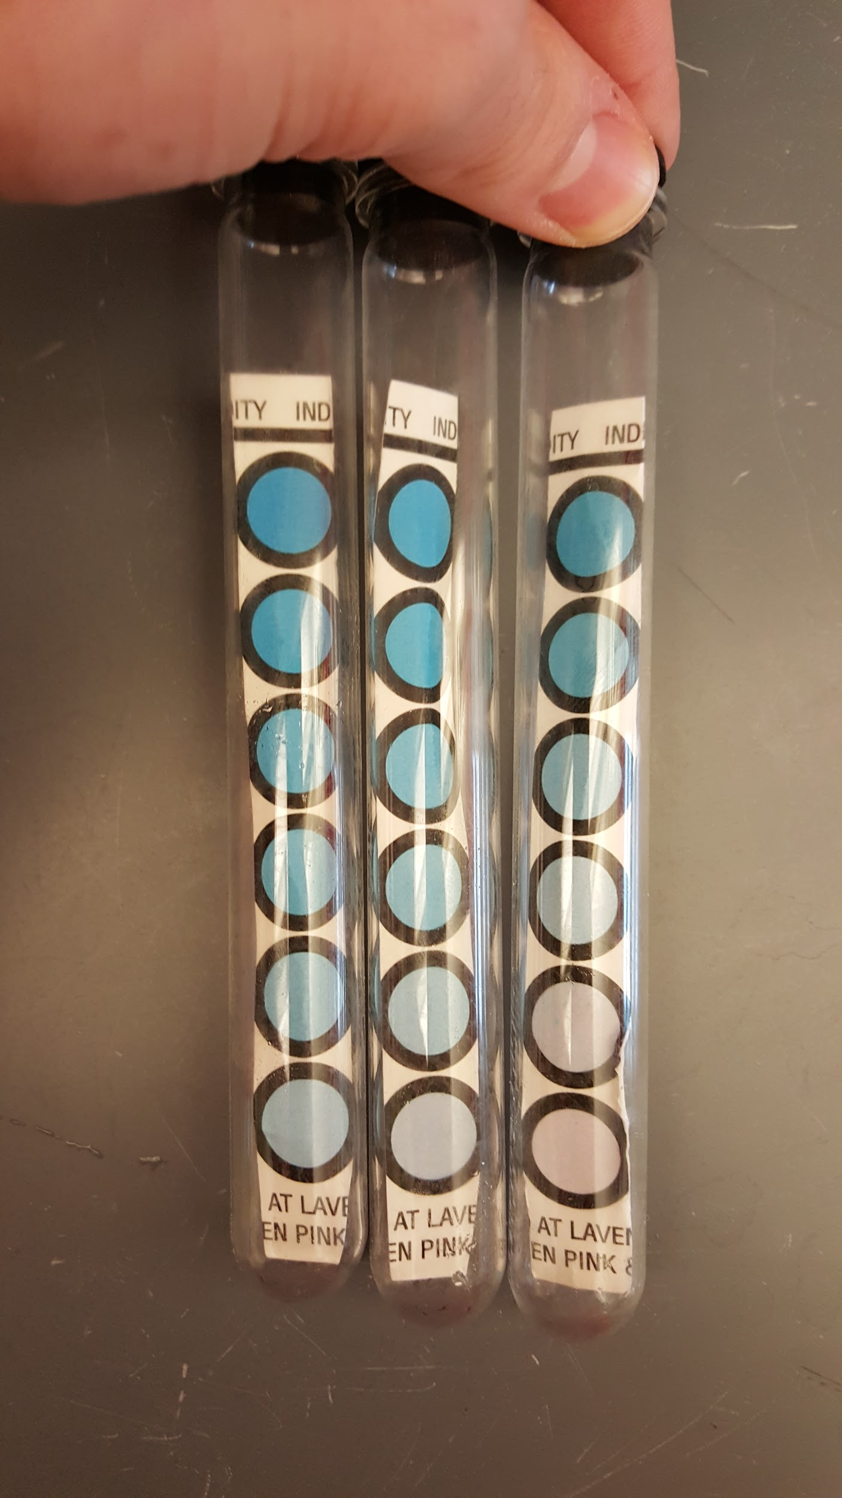
 |  |  |  |  |  |  |  |  | 0mL | 600
SYNGAS |  |  |  |  |  |  |  |  | 2mL | 360
 |  |  |  |  |  |  |  |  | 4mL | 360
Drying Notes |  |  |  |  |  |  |  |  | 6mL | 480
**The RINSE 1YCM turned slightly pink in the anaerobic chamber when most of it had been used up. It was pink when used for formulation 1 |  |  |  |  |  |  |  |  | Total for 602hh | 1800
Bottles 3'A,B,C,D placed in beckman centrifuge at 9:30 for 15min at 5000rpms and 4C |  |  |  |  |  |  |  |  |  | Formulations
Cell pellet rinsed with 20mL of RINSE 1YCM |  |  |  |  |  |  |  |  |  | cells | media | total
Cells centrigued in rotana for 15min at 6000rcf and 4C at 10:10. |  |  |  |  |  |  |  |  |  | #1 | 0.5
Coatings placed in vacuum chamber at 11:30. |  |  |  |  |  |  |  |  | RINSE (0.5) | 350 | 350 | 700 |  |  |  |  |  |  |  |  |  |  |  |  |  |  |  | 517.76522593
Tubes placed in respective RH bottles. |  |  |  |  |  |  |  |  |  | #2 | 0.5 |  |  |  |  |  |  |  |  |  |  |  |  |  |  |  |  | 220.46985447
All bottles were flushed with argon at 10psi for 10 minutes |  |  |  |  |  |  |  |  | 2mL | 230 | 230 | 460 |  |  |  |  |  |  |  |  |  |  |  |  |  |  |  | 613.37200504
 |  |  |  |  |  |  |  |  |  | #3 | 0.5 |  |  |  |  |  |  |  |  |  |  |  |  |  |  |  |  | 108
Rehydration: |  |  |  |  |  |  |  |  | 4mL | 230 | 230 | 460 |  |  |  |  |  |  |  |  |  |  |  |  |  |  |  | 241.74076865
**Note the RINSE 1YCM turned pink even before rehydrating the tubes, but changed back to neutral after being flushed with syngas. |  |  |  |  |  |  |  |  |  | #3 | 0.5 |  |  |  |  |  |  |  |  |  |  |  |  |  |  |  |  | 494.7063197
Tubes A-E rehydrated with 4mL of RINSE |  |  |  |  |  |  |  |  | 6mL | 290 | 290 | 580 |  |  |  |  |  |  |  |  |  |  |  |  |  |  |  | 447.44588745
Tubes F,G,H rehydrated w/ 4mL of 2mL media |  |  |  |  |  |  |  |  |  |  |  |  |  |  |  |  |  |  |  |  |  |  |  |  |  |  |  | 314.07117716
Tubes I,J,K rehydrated w/ 4mL of 4mL media |  |  |  |  |  |  |  |  | total cells | 1100 |  |  |  |  |  |  |  |  |  |  |  |  |  |  |  |  |  | 779.98948752
Tubes L-O rehydated with 4mL of 4mL media |  |  |  |  |  |  |  |  |  |  |  |  |  |  |  |  |  |  |  |  |  |  |  |  |  |  |  | 318.68063907
All tubes flushed with syngas for 2min at 10psi. |  |  |  |  |  |  | RH Left to Right: 0% , 11% , 29% |  |  |  |  |  |  |  |  |  |  |  |  |  |  |  |  |  |  |  |  | 878.72413793
All tubes placed in shaker at 2:25 at 50rpm & 37C |  |  |  |  |  |  |  |  |  |  |  |  |  |  |  |  |  |  |  |  |  |  |  |  |  |  |  | 1135.8165352
 |  |  |  |  |  |  |  |  |  |  |  |  |  |  |  |  |  |  |  |  |  |  |  |  |  |  |  | 950.55842813
Sampling: 11/3/2015 |  |  |  |  |  |  |  |  |  |  |  |  |  |  |  |  |  |  |  |  |  |  |  |  |  |  |  | 1227.198786
Samples taken from tubes A-L at 2:25 PM on 11/3/2015 |  |  |  |  |  |  |  |  |  |  |  |  |  |  |  |  |  |  |  |  |  |  |  |  |  |  |  | 1097.0115624
Samples taken from tubes M-O at 3:00 PM on 11/3/2015
All tubes returned to shaker between and after samples were taken

Sampling 11/4/15 Samples taken from tubes at 8:35am
Tubes L,M,N,and O showed discoloration of the coating on the cell side of the paper. The cells seemed to have begun to turn black.

pH Measurements: 11/5/2015
pH was measured of some of the tubes to test if the reducing agent was causing variance in pH
A | 5.01
C | 5.01
F | 4.62 | Good pH range; samples made with 1mL CYS; these had highest reactivities
G | 4.55 | ** Keep in mind -- aceatic acid production would cause pH to decrease
H | 4.62
I | 6.01 | Cells reduced with 1mL CYS Na2S also had decent reactivity, but higher pH; Na2S raises the pH
J | 5.81
L | 6.65 | pH of 2mL CYS Na2S samples is high; cells had lowest reactivity
N | 6.74

JBW water losing on paper 10221
Vaccum drying | under 25 vacuum
No. | paper weight (g) | after drying weight (g) | drying time (min) | remaining water (g) | weight loss gradient | initial water in room
C1 | 0.4853 | 0.5661 | 15 | 0.0808 |  | -0.0098
C3 | 0.4839 | 0.4849 | 30 | 0.001 |  | -0.0098
C2 | 0.4755 | 0.473 | 60 | -0.0025 |  | -0.0098
F3 | 0.2239 | 0.2518 | 15 | 0.0279 |  | -0.0022
F2 | 0.2212 | 0.2204 | 30 | -0.0008 |  | -0.0022
F1 | 0.2311 0.2330 | 0.2324 | 60 | -0.0006 |  | -0.0022

Oven drying
No. | paper weight (g) | after drying weight (g) | drying time (min) | initial water in room
CA | 0.4702 | 0.4604 | 30 | 0.0098
CB | 0.4754 |  | 30
FA | 0.2208 | 0.2186 | 30 | 0.0022
FB | 0.2345 |  | 30

MJS liquid product 101515
Gas uptake
objective: analyze difference in enhanced recovery as well as coating surface area |  |  |  |  |  |  |  |  |  |  |  |  |  |  |  |  |  |  | N2 | 340
Tube | substrate | Volume to add in mL | total liquid volume | Media type | reaction time (h) | Formulation | substrate size (cm^2) | coating volume (uL) | coated surface area (cm^2) | shaker speed | Treatment after |  | H2 | O2 | N2 | CO | CO2 |  | Scaled CO | average
A | N/A | 4 | 4.2 | 1YCM | 4 | 1 | 20 | 200 | 10 | 50 | N/A | A | 12383 |  | 428 | 1128 | 99.7 |  | 896.07476636 | 891.40604384 | Suspended | 891.40604384
B | N/A | 4 | 4.2 | 1YCM | 4 | 1 | 20 | 200 | 10 | 50 | N/A | B | 12512 |  | 429 | 1133 | 102 |  | 897.94871795 |  | BC | 396.11061539
C | N/A | 4 | 4.2 | 1YCM | 4 | 1 | 20 | 200 | 10 | 50 | N/A | C | 11560 |  | 411 | 1064 | 76.3 |  | 880.1946472 |  | BC rocked | 266.7659975
D | 3MM | 4 | 4.2 | 1YCM | 4 | 1 | 20 | 200 | 10 | 50 | N/A | D | 13886 |  | 483 | 530 | 248 |  | 373.08488613 | 396.11061539 | BC shaken | 342.42006676
E | 3MM | 4 | 4.2 | 1YCM | 4 | 1 | 20 | 200 | 10 | 50 | N/A | E | 13950 |  | 440 | 587 | 257 |  | 453.59090909
F | 3MM | 4 | 4.2 | 1YCM | 4 | 1 | 20 | 200 | 10 | 50 | N/A | F | 13795 |  | 471 | 501 | 283 |  | 361.65605096
G | 3MM | 4 | 4.2 | 1YCM | 4 | 1 | 20 | 200 | 10 | 50 | rock 10X over 1 min | G | 13509 |  | 527 | 397 | 273 |  | 256.12903226 | 266.7659975
H | 3MM | 4 | 4.2 | 1YCM | 4 | 1 | 20 | 200 | 10 | 50 | rock 10X over 1 min | H | 12003 |  | 720 | 363 | 267 |  | 171.41666667
I | 3MM | 4 | 4.2 | 1YCM | 4 | 1 | 20 | 200 | 10 | 50 | rock 10X over 1 min | I | 13538 |  | 436 | 478 | 277 |  | 372.75229358
J | 3MM | 4 | 4.2 | 1YCM | 4 | 1 | 20 | 200 | 10 | 50 | 200rpm for 1 min | J | 13650 |  | 446 | 446 | 290 |  | 340 | 342.42006676
K | 3MM | 4 | 4.2 | 1YCM | 4 | 1 | 20 | 200 | 10 | 50 | 200rpm for 1 min | K | 13429 |  | 503 | 328 | 320 |  | 221.70974155
L | 3MM | 4 | 4.2 | 1YCM | 4 | 1 | 20 | 200 | 10 | 50 | 200rpm for 1 min | L | 12811 |  | 436 | 597 | 200 |  | 465.55045872
M | 3MM | 4 | 4.4 | 1YCM | 4 | 1 | 40 | 400 | 20 | 50 | 200rpm for 1 min | M | 13568 |  | 603 | 200 | 373 |  | 112.7694859 | 395.14235502
N | 3MM | 4 | 4.4 | 1YCM | 4 | 1 | 40 | 400 | 20 | 50 | 200rpm for 1 min | N | 14260 |  | 537 | 371 | 328 |  | 234.89757914
O | 3MM | 4 | 4.1 | 1YCM | 4 | 1 | 20 | 100 | 5 | 50 | 200rpm for 1 min | O | 12075 |  | 375 | 924 | 119 |  | 837.76 | 767.14439448
P | 3MM | 4 | 4.1 | 1YCM | 4 | 1 | 20 | 100 | 5 | 50 | 200rpm for 1 min | P | 12628 |  | 389 | 849 | 156 |  | 742.05655527
Q | 3MM | 4 | 4.1 | 1YCM | 4 | 1 | 20 | 100 | 5 | 50 | 200rpm for 1 min | Q | 11698 |  | 433 | 919 | 113 |  | 721.61662818
 | total | 48 |  |  |  |  | total for product | 3500
NOTES: |  |  |  |  |  |  |  | Formulations
Started at 855am |  |  |  |  |  |  |  | cells | media | total
20mL rinse |  |  |  |  |  |  |  | #1 OTA1 | 0.3
After the spin after the rinse, the media turned pink |  |  |  |  |  |  |  | 1120 | 2613.3333333 | 3733.3333333
after coating, none of the media in the tubes turned pink
into shaker at 1130am |  |  |  |  |  |  |  |  |  |  |  | line | tube |  | ethanol | ACETATE
Liquid product
M, N sampled at 155pm |  |  |  |  |  |  |  |  |  |  |  | 1 | 1 | H2O | 47.6
everything else out at 330pm. This might have been a little late and there was little CO left |  |  |  |  |  |  |  |  |  |  |  | 2 | 2 | std1 | 407.9 | 15
 |  |  |  |  |  |  |  |  |  |  |  | 3 | 3 | std2 | 115.5 | 130.7
 |  |  |  |  |  |  |  |  |  |  |  | 4 | 4 | std3 | 34.3 | 237.7
 |  |  |  |  |  |  |  |  |  |  |  | 5 | 5 | 1YCM | 19.1
 |  |  |  |  |  |  |  |  |  |  |  | 6 | 1 | H2O | 18.1
 |  |  |  |  |  |  |  |  |  |  |  | 7 | 6 | A | 35.1 | 113.7
 |  |  |  |  |  |  |  |  |  |  |  | 8 | 7 | B | 35.5 | 116 |  | suspended | 114.1 | 1.7349351573
 |  |  |  |  |  |  |  |  |  |  |  | 9 | 8 | C | 37.4 | 112.6 |  | BC | 119 | 21.704147069
 |  |  |  |  |  |  |  |  |  |  |  | 10 | 9 | D | 31.4 | 124.1 |  | BC rocked | 160.96666667 | 14.712692933
 |  |  |  |  |  |  |  |  |  |  |  | 11 | 10 | E | 30.7 | 95.2 |  | BC shaken | 159.4 | 26.400568176
 |  |  |  |  |  |  |  |  |  |  |  | 12 | 11 | F | 33.2 | 137.7
 |  |  |  |  |  |  |  |  |  |  |  | 13 | 12 | G | 36.1 | 168.7
 |  |  |  |  |  |  |  |  |  |  |  | 14 | 13 | H | 35.4 | 170.2
 |  |  |  |  |  |  |  |  |  |  |  | 15 | 14 | I | 35.5 | 144
 |  |  |  |  |  |  |  |  |  |  |  | 16 | 15 | J | 36.9 | 159.2
 |  |  |  |  |  |  |  |  |  |  |  | 17 | 16 | K | 39.5 | 185.9
 |  |  |  |  |  |  |  |  |  |  |  | 18 | 17 | L | 37.9 | 133.1
 |  |  |  |  |  |  |  |  |  |  |  | 19 | 18 | M | 45.5 | 204.8
 |  |  |  |  |  |  |  |  |  |  |  | 20 | 19 | N | 48.3 | 173
 |  |  |  |  |  |  |  |  |  |  |  | 21 | 20 | O | 35.4 | 63.1
 |  |  |  |  |  |  |  |  |  |  |  | 22 | 21 | P | 42.1 | 101.8
 |  |  |  |  |  |  |  |  |  |  |  | 23 | 22 | Q | 38.3 | 69.7
 |  |  |  |  |  |  |  |  |  |  |  | 24 | 23 | 0h1 | 36.6 | 7.5
 |  |  |  |  |  |  |  |  |  |  |  | 25 | 1 | H2O | 33
 |  |  |  |  |  |  |  |  |  |  |  | 26 | 2 | std1 | 414.1 | 14.8
 |  |  |  |  |  |  |  |  |  |  |  | 27 | 3 | std2 | 127.4 | 129.7
 |  |  |  |  |  |  |  |  |  |  |  | 28 | 4 | std3 | 45.8 | 234.5
 |  |  |  |  |  |  |  |  |  |  |  | 29 | 5 | 1YCM | 28.2
 |  |  |  |  |  |  |  |  |  |  |  | 30 | 1 | H2O | 29

REK Drying 10915
purpose: to see why we are getting slower uptake of CO than previously comparing different growth media and 1YCM to see if salt solution messed everything up

Tube | Notch placement (temp column.) | substrate | Volume to add in mL | total liquid volume | Media type | headspace | Drying Time | Storage | Formulation | substrate size (cm^2) | coating volume (uL) | coated surface area (cm^2) | shaker speed |  |  |  |  |  |  |  |  |  |  | AFTER 24 HOURS |  |  |  |  |  |  |  |  | AFTER 73 HOURS
SYNGAS |  |  |  |  |  |  |  |  |  |  |  |  |  |  | H2 | O2 | N2 | CO | CO2 | Scaled CO | N2 Base | Average | Condition | H2 | O2 | N2 | CO | CO2 | Scaled CO | N2 Base | Average | Condition | H2 | O2 | N2 | CO | CO2
A | No notch | 3MM | 4 | 4.2 | 1YCM (PCG 10/01/15) | N/A | N/A | balch into shaker | 1 | 10 | 200 | 10 | 50 | AFTER 4 HOURS | 11825 | 0 | 788 | 434.5 | 262.2 | 187.47461929 | 340 |  |  |  |  |  |  |  |  | 340
B | No notch | 3MM | 4 | 4.2 | 1YCM (PCG 10/01/15) | N/A | N/A | balch into shaker | 1 | 10 | 200 | 10 | 50 | AFTER 4 HOURS | 14404.9 | 0 | 537.7 | 375.6 | 341.8 | 237.50046494
C | No notch | 3MM | 4 | 4.2 | 1YCM (PCG 10/01/15) | N/A | N/A | balch into shaker | 1 | 10 | 200 | 10 | 50 | AFTER 4 HOURS | 12987.2 | 0 | 633.6 | 450.1 | 291.7 | 241.53093434 |  | 222.16867286 | No drying
D | LN | 3MM | 4 | 4.2 | 1YCM (PCG 10/01/15) | N/A | 60 min @ 25in Hg | balch into shaker | 1 | 10 | 200 | 10 | 50 | AFTER 4 HOURS | 12667.5 | 0 | 333.1 | 1288.5 | 25.8 | 1315.1906334 |  |  |  | 13841.6 | 0 | 369 | 708.1 | 233 | 652.4498645 |  |  |  | 12854 |  | 806 |  | 450
E | LN | 3MM | 4 | 4.2 | 1YCM (PCG 10/01/15) | N/A | 60 min @ 25in Hg | balch into shaker | 1 | 10 | 200 | 10 | 50 | AFTER 4 HOURS | 12583.7 | 0 | 332.3 | 1265.3 | 44.6 | 1294.6193199 |  |  |  | 13409.2 | 0 | 461.4 | 578.3 | 258.7 | 426.14217599 |  |  |  | 13707 |  | 677 |  | 460
F | LN | 3MM | 4 | 4.2 | 1YCM (PCG 10/01/15) | N/A | 60 min @ 25in Hg | balch into shaker | 1 | 10 | 200 | 10 | 50 | AFTER 4 HOURS | 12403.8 | 0 | 331 | 1286.9 | 35.2 | 1321.8912387 |  | 1310.567064 | Drying->shaker | 13440.5 | 0 | 358 | 800.3 | 190.9 | 760.06145251 |  | 612.88449767 | Drying->shaker | 13690 |  | 653 |  | 456
G | RN | 3MM | 4 | 4.2 | 1YCM (PCG 10/01/15) | LiCl in chamber | 60 min @ 25in Hg | LiCl bottle | 1 | 10 | 200 | 10 | 50 | After 44 Hours | 12749.5 | 0 | 348.3 | 1168.9 | 77.3 | 1141.0450761 |  |  |  |  |  |  |  |  |  |  |  | Drying->shaker
H | RN | 3MM | 4 | 4.2 | 1YCM (PCG 10/01/15) | LiCl in chamber | 60 min @ 25in Hg | LiCl bottle | 1 | 10 | 200 | 10 | 50 | After 44 Hours | 12425.8 | 0 | 330.6 | 1110.2 | 58.5 | 1141.7664852
I | RN | 3MM | 4 | 4.2 | 1YCM (PCG 10/01/15) | LiCl in chamber | 60 min @ 25in Hg | LiCl bottle | 1 | 10 | 200 | 10 | 50 | After 44 Hours | 12947.1 | 0 | 343.2 | 947.8 | 137.7 | 938.96270396 |  | 1073.9247551
J | MD | 3MM | 4 | 4.2 | 1YCM (PCG 10/01/15) | 5.0 Ar | 60 min @ 25in Hg | balch under bench | 1 | 10 | 200 | 10 | 50 |  | ** Cap came off when moving in anaerobic hood; wasn't rehydrated or tested. |  |  |  |  | #DIV/0!
K | MD | 3MM | 4 | 4.2 | 1YCM (PCG 10/01/15) | 5.0 Ar | 60 min @ 25in Hg | balch under bench | 1 | 10 | 200 | 10 | 50 | After 44 Hours | 13190.8 | 0 | 353.7 | 840.2 | 192.1 | 807.65620582
L | MD | 3MM | 4 | 4.2 | 1YCM (PCG 10/01/15) | 5.0 Ar | 60 min @ 25in Hg | balch under bench | 1 | 10 | 200 | 10 | 50 | After 44 Hours | 12829.3 | 0 | 351.1 | 936.6 | 149.1 | 906.98946169 |  | 857.32283376
M | MD & LN | 3MM | 4 | 4.2 | 1YCM (PCG 10/01/15) | 5.0 Ar | 60 min @ 25in Hg | balch in Anaerobic chamber | 1 | 10 | 200 | 10 | 50 | After 44 Hours | 11809.4 | 0 | 376.1 | 1100.4 | 70.9 | 994.77798458
N | MD & LN | 3MM | 4 | 4.2 | 1YCM (PCG 10/01/15) | 5.0 Ar | 60 min @ 25in Hg | balch in Anaerobic chamber | 1 | 10 | 200 | 10 | 50 | After 44 Hours | 12358.3 | 0 | 333.9 | 1135.1 | 83.5 | 1155.837077
O | MD & LN | 3MM | 4 | 4.2 | 1YCM (PCG 10/01/15) | 5.0 Ar | 60 min @ 25in Hg | balch in Anaerobic chamber | 1 | 10 | 200 | 10 | 50 | After 44 Hours | 11782.8 | 0 | 350.6 | 1082 | 62.8 | 1049.2869367 |  | 1066.6339994
P | MD & RN | 602hh Filter Paper | 4 | 4.12 | 1YCM (PCG 10/01/15) | 5.0 Ar | 60 min @ 25in Hg | balch in Anaerobic chamber | 2 | 10 | 120 | 10 | 50 | After 44 Hours | 13003.6 | 0 | 393.9 | 629.4 | 257.3 | 543.27494288
Q | MD & RN | 602hh Filter Paper | 4 | 4.12 | 1YCM (PCG 10/01/15) | 5.0 Ar | 60 min @ 25in Hg | balch in Anaerobic chamber | 2 | 10 | 120 | 10 | 50 | After 44 Hours | 12439.3 | 0 | 589.7 | 351.1 | 282.7 | 202.43174496
R | MD & RN | 602hh Filter Paper | 4 | 4.12 | 1YCM (PCG 10/01/15) | 5.0 Ar | 60 min @ 25in Hg | balch in Anaerobic chamber | 2 | 10 | 120 | 10 | 50 | After 44 Hours | 12214 | 0 | 583.8 | 454.7 | 275.7 | 264.81329222 |  | 336.83999335

 |  | total | 60 |  |  |  |  |  |  | Total for 3MM | 3000
 |  |  |  |  |  |  |  |  |  | Total for 602hh | 360
NOTES: |  |  |  |  |  |  |  |  |  |  | Formulations
All with new stoppers from chemglass |  |  |  |  |  |  |  |  |  |  | cells | media | total
3'A-D mRCMf of two types: 9/30/15 10/6/15 |  |  |  |  |  |  |  |  |  |  | #1 | 0.3
rinsed with 20mL |  |  |  |  |  |  |  |  | 3MM | using 1YCM (PCG 10/01/15) | 1000 | 2333.3333333 | 3333.3333333
ABC into shaker at 11AM |  | *tube C may have had a few cells washed off because during hydration 6mL was put into the tube, however the extra 2mL was immediately removed. |  |  |  |  |  |  | 602hh |  | #2 | 0.5
anaerobic indicator that was in anaerobic chamber was placed into drying chamber |  |  |  |  |  |  |  |  |  |  | 200 | 200 | 400
after drying indicator was compared with one that was stored in the anaerobic box with catalyst and the one from the drying chamber (right) was slightly darker.
DEF into shaker at 1pm
Tubes P,Q,and R were moved into the anaerobic chamber at 2:30 over fears that the blue caps do not hold a seal very well. In a long running comparison between black and blue caps, the blue caps showed more leakage than the black caps based on color change in an O2 indicator pellet.
Rehydration 10/12:
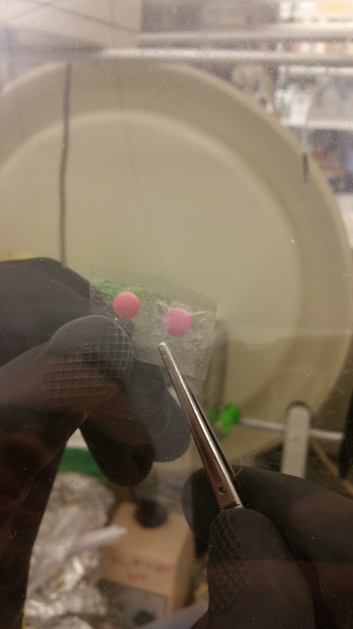
Tube J's cap popped off in the vacuum
All other tubes were rehydrated with 4mL of 1YCM w/ 1mL of cys
All other tubes were flushed with syngas at 10psi for 2 mintues and placed in shaker at 1:55.
Sampled G, K, M, P at 330pm on 10/13/15

 |  |  |  |  |  |  |  |  |  |  |  |  |  |  |  |  |  |  |  |  |  |  |  |  | 1141.0450761
 |  |  |  |  |  |  |  |  |  |  |  |  |  |  |  |  |  |  |  |  |  |  |  |  | 1141.7664852
 |  |  |  |  |  |  |  |  |  |  |  |  |  |  |  |  |  |  |  |  |  |  |  |  | 938.96270396
 |  |  |  |  |  |  |  |  |  |  |  |  |  |  |  |  |  |  |  |  |  |  |  |  | #DIV/0!
 |  |  |  |  |  |  |  |  |  |  |  |  |  |  |  |  |  |  |  |  |  |  |  |  | 807.65620582
 |  |  |  |  |  |  |  |  |  |  |  |  |  |  |  |  |  |  |  |  |  |  |  |  | 906.98946169
 |  |  |  |  |  |  |  |  |  |  |  |  |  |  |  |  |  |  |  |  |  |  |  |  | 994.77798458
 |  |  |  |  |  |  |  |  |  |  |  |  |  |  |  |  |  |  |  |  |  |  |  |  | 1155.837077
 |  |  |  |  |  |  |  |  |  |  |  |  |  |  |  |  |  |  |  |  |  |  |  |  | 1049.2869367
 |  |  |  |  |  |  |  |  |  |  |  |  |  |  |  |  |  |  |  |  |  |  |  |  | 543.27494288
 |  |  |  |  |  |  |  |  |  |  |  |  |  |  |  |  |  |  |  |  |  |  |  |  | 202.43174496
 |  |  |  |  |  |  |  |  |  |  |  |  |  |  |  |  |  |  |  |  |  |  |  |  | 264.81329222

REK drying 91815
purpose: see how trehalose and type of paper affect dry stability.

Tube | Notch placement (temp column.) | substrate | Volume to add in mL | total liquid volume | Media type | storage | Drying Time | Bottle | Formulation | substrate size (cm^2) | coating volume (uL) | coated surface area (cm^2) | shaker speed | H2 | O2 | N2 | CO | CO2 | Scaled CO | N2 Base | Average | Condition | Average | Relative Humidity
SYNGAS |  |  |  |  |  |  |  |  |  |  |  |  |  |  |  |  |  |  |  | 340
A |  | 3MM | 4 | 4.2 | 1YCM | 5.0 Ar | N/A | A (LiCl) | 1 | 10 | 200 | 10 | 50 | 12448.4 | 0 | 336.3 | 1271.4 | 30.1 | 1285.3880464 |  | 1309.1556173 | no vacuum, LiCl | 1309.1556173 | 1
B |  | 3MM | 4 | 4.2 | 1YCM | 5.0 Ar | N/A | A (LiCl) | 1 | 10 | 200 | 10 | 50 | 12411.7 | 0 | 331.3 | 1310.7 | 37.3 | 1345.1192273 |  |  |  | 1117.9063014 | 2
C |  | 3MM | 4 | 4.2 | 1YCM | 5.0 Ar | N/A | A (LiCl) | 1 | 10 | 200 | 10 | 50 | 12242.2 | 0 | 341.4 | 1302.3 | 38.1 | 1296.9595782
D | LN | 3MM | 4 | 4.2 | 1YCM | 5.0 Ar | 60 min @ 25in Hg | B (LiCl) | 1 | 10 | 200 | 10 | 50 | 12610 | 0 | 344.1 | 1128.3 | 74.3 | 1114.8561465 |  | 920.99937837 | with vacuum, LiCl | 920.99937837 | 3
E | LN | 3MM | 4 | 4.2 | 1YCM | 5.0 Ar | 60 min @ 25in Hg | B (LiCl) | 1 | 10 | 200 | 10 | 50 | 12842 | 0 | 342.6 | 973.6 | 152.5 | 966.21132516
F | LN | 3MM | 4 | 4.2 | 1YCM | 5.0 Ar | 60 min @ 25in Hg | B (LiCl) | 1 | 10 | 200 | 10 | 50 | 12843.2 | 0 | 334.6 | 671.1 | 216.8 | 681.93066348
G | NN | 3MM | 4 | 4.12 | 1YCM | 5.0 Ar | 60 min @ 25in Hg | B (LiCl) | 2 | 10 | 120 | 10 | 50 | 12717.2 | 0 | 341.6 | 1001.5 | 148.4 | 996.80913349 |  | 903.67054604 | with vacuum, LiCl high cell conc | 903.67054604 | 4
H | NN | 3MM | 4 | 4.12 | 1YCM | 5.0 Ar | 60 min @ 25in Hg | B (LiCl) | 2 | 10 | 120 | 10 | 50 | 12361 | 0 | 429.3 | 880.1 | 130.9 | 697.02771954
I | NN | 3MM | 4 | 4.12 | 1YCM | 5.0 Ar | 60 min @ 25in Hg | B (LiCl) | 2 | 10 | 120 | 10 | 50 | 12412 | 0 | 349 | 1044.1 | 126.4 | 1017.1747851 |  |  |  | 1204.3581004 | 5
J | RN | 3MM | 4 | 4.2 | 1YCM | 5.0 Ar | 60 min @ 25in Hg | C (Drierite) | 1 | 10 | 200 | 10 | 50 | 12389.3 | 0 | 327 | 1036.9 | 84.4 | 1078.1223242 |  | 1117.9063014 | with vacuum, drierite
K | RN | 3MM | 4 | 4.2 | 1YCM | 5.0 Ar | 60 min @ 25in Hg | C (Drierite) | 1 | 10 | 200 | 10 | 50 | 12141 | 0 | 314.5 | 998 | 81 | 1078.9189189
L | RN | 3MM | 4 | 4.2 | 1YCM | 5.0 Ar | 60 min @ 25in Hg | C (Drierite) | 1 | 10 | 200 | 10 | 50 | 11894.2 | 0 | 333.5 | 1173.8 | 45 | 1196.6776612
M | MN | 3MM | 4 | 4.2 | 1YCM | 5.0 Ar | 60 min @ 25in Hg | D (CaCl) | 1 | 10 | 200 | 10 | 50 | 11354.7 | 0 | 330.9 | 1124.4 | 30.8 | 1155.3218495 |  | 1204.3581004 | with vacuum, CaCl
N | MN | 3MM | 4 | 4.2 | 1YCM | 5.0 Ar | 60 min @ 25in Hg | D (CaCl) | 1 | 10 | 200 | 10 | 50 | 11603.2 | 0 | 301.4 | 1123.6 | 47.1 | 1267.4983411
O | MN | 3MM | 4 | 4.2 | 1YCM | 5.0 Ar | 60 min @ 25in Hg | D (CaCl) | 1 | 10 | 200 | 10 | 50 | 11553.5 | 0 | 334.5 | 1171 | 50.4 | 1190.2541106

 |  | total | 60 |  |  |  |  |  |  | total | 2760
 |  |  |  |  |  |  |  |  |  |  |  |  |  |  |  |  |  |  |  |  | no vacuum, LiCl | 1309.1556173
NOTES: |  |  |  |  |  |  |  |  |  |  | Formulations |  |  |  |  |  |  |  |  |  | with vacuum, LiCl | 920.99937837
4 serum bottles 20 mL |  |  |  |  |  |  |  |  |  |  | cells | media | total |  |  |  |  |  |  |  | with vacuum, LiCl high cell conc | 903.67054604
tubes stored in 1L bottles with rubber caps |  |  |  |  |  |  |  |  |  | no notch | #1 | 0.3 |  |  |  |  |  |  |  |  | with vacuum, drierite | 1117.9063014
bottles flushed for 7 minutes at 20psi with 5.0 Argon |  |  |  |  |  |  |  |  |  |  | 1000 | 2333.3333333 | 3333.3333333 |  |  |  |  |  |  |  | with vacuum, CaCl | 1204.3581004
sample on 9/22/15 at noon |  |  |  |  |  |  |  |  |  |  | #2 | 0.5
 |  |  |  |  |  |  |  |  |  |  | 200 | 200 | 400

